1. Title Page
Project Name: New York Citi Bikes Analysis 2024-2025
Date of Completion: January 10th 2025
Analyst Name: Matthew Abrams

About:
Uncovered information about patterns of how New York Citi Bikes are operated by performing an exploratory analysis of some of their data. Used information based on riders' background and riding habits to derive insights and suggest operational strategies for better distribution. The data is split into several zip files each one representing a month (composed of CSVs). To determine the total rides, cleaned and joined tables, then summed the records from the large custom dataset.

Contents:
Population Flow
Wrangling Steps
Consistency checks
Column derivations
Visualizations (Part 1 and Part 2)
Recommendations
Appendix (Tables)

Source:
“Citi Bike”, Accessed from https://citibikenyc.com/system-data

2. Population Flow
Population flow

Step 1: NYC Citi Bikes - original data (merging approximately 40 datasets of 2024-2025)
Total: 44,399,598 rows
Exclusion Flag
Condition 1: start_date => 01/01/2024 and end_date <= 01/01/2025
Condition 2: 1 <= ride length in minutes <= 120
Obervations to be removed: 318,024 (Less than 1% of observations removed)
Final total count of entries: 44,081,574

Step 2: Removing rows that have missing values
Total: 44,269,628 rows

Step 3: NYC Citi Bikes - filtering out data (data containing entries of rides started in 2023)
Total: 44,261,406 rows

1) The grey box in the first row of the population flow represent the original datasets as they were downloaded. In the Total field represents the number of rows after importing and merging the datasets into RStudio.
2) The orange box represents the removal of rows that have missing values.
3) The blue box represents the datasets after filtering them for removal of irrelavent dates (analysis is for 2024-2025, yet entries contained dates where people started in 2023 and ended in 2024).
4) The red box, represents the removal of duplicates.
5) The dark blue box, represents the datasets after filtering them, removing outliers of bike rides lasting over 2 hours or less than 1 minute.

Step 4: Removing duplicates
Total: 44,261,402 rows

Step 5: NYC Citi Bikes - filtering data (rides last between 1 minute and 2 hrs
Total: 44,081,574 rows

3. Wrangling steps
Wrangling steps

Action: (Dropping Columns, Renaming Columns, Changing type of Column) | Comment/Reason
Changed Data type of column "start_station_id" for the datasets: jul24_part3, jul24_part4, aug24_part5 | Needed to make the columns the same data types as the majority of the datasets to properly merge
Changed Data type of column "end_station_id"for thr datasets: jul24_part4, oct24_part3, oct24_part6, nov24_part1 | Needed to make the columns the same data types as the majority of the datasets to properly merge
Drop columns: "ride_id", "start_station_id", "end_station_id", "end_lat", "end_lng" of all datasets | Not necessary for the analysis
Drop an extra column that takes place only in the July 2024 datasets called "Unnamed 0", Drop an extra column that takes place in the August 2024 datasets called "rideable_type_duplicate_column_name_1" | Needed to make the columns the same data types as the majority of the datasets to properly merge
Filtered out entries of rides starting in 2023 (despite ending in 2024) | Not necessary for the analysis
Filtered out entries of rides lasting over 2 hours and less than 1 minute | There is a monetary penalty for rides longer than 45 minutes for members and 30 minutes for casual customers. It is less likely that any citi bike ride would take several hours. The System host site indicates that for distance calculation, trips are capped at a 2 hour (120 minutes) limit. It is highly probable that the bike was not engaged properly at the returning station. Entries show that rides took place less than 1 minute which is unsual.
Renaming values of rideable_type column from electric_bike to electric, from classic_bike to classic | Want to communicate values as clear as possible
Renaming columns: from "member_casual" to "rider_type", from "rideable_type" to "bike_type" | Want to make name of columns as clear as possible

4. Consistency checks
Consistency checks

Dataset | Missing values | Missing values treatment | Inconsistencies | Inconsistency treatment | Duplicates
NYC Citi Bikes | Found 29,878 missing values in start_station_name column and 114,659 missng values in end_station _name column, | 129,980 rows with missing values are removed (note there are rows where there are missing values in both columns so there's overlap) | After creating ride_length_in_min column, a small portion of the data shows negative values which is illogical. When filtering the dataset for negative values, the cause for this are times under the started_at column are later than the times under the ended_at column. | For the subset of the dataset for negative values (came across 436 entries), switched the values between stated_at column and ended_at column | Removed 4 duplicates

5. Column derivations
Column derivations and aggregations

In this tab you should add tables below that the frequences of flags/label variables that you produced after deriving them. NB: don't do this for continuous variables, only for flags.
Dataset | New column | Column/s it was derived from | Conditions
NYC Citi Bikes | Date | started_at | Getting the value in YYYY-MM format
NYC Citi Bikes | day_of_week | started_at | Getting the name of Day
NYC Citi Bikes | start_time | started_at | Getting the Hour of Day (expressed in military time)
NYC Citi Bikes | ride_length_in_min | started_at & ended at (using difftime function to calculate the difference in minutes) | Getting the length of the ride in minutes
NYC Citi Bikes | ride_length_type | ride_length_in_min (new column) | If the ride is more than 40 minutes: Long Ride, if the ride is between 21 and 40 minutes: Medium Ride, if the ride is 20 minutes or less: Short Ride

6a. Visualizations Part 1
Visualizations Part 1

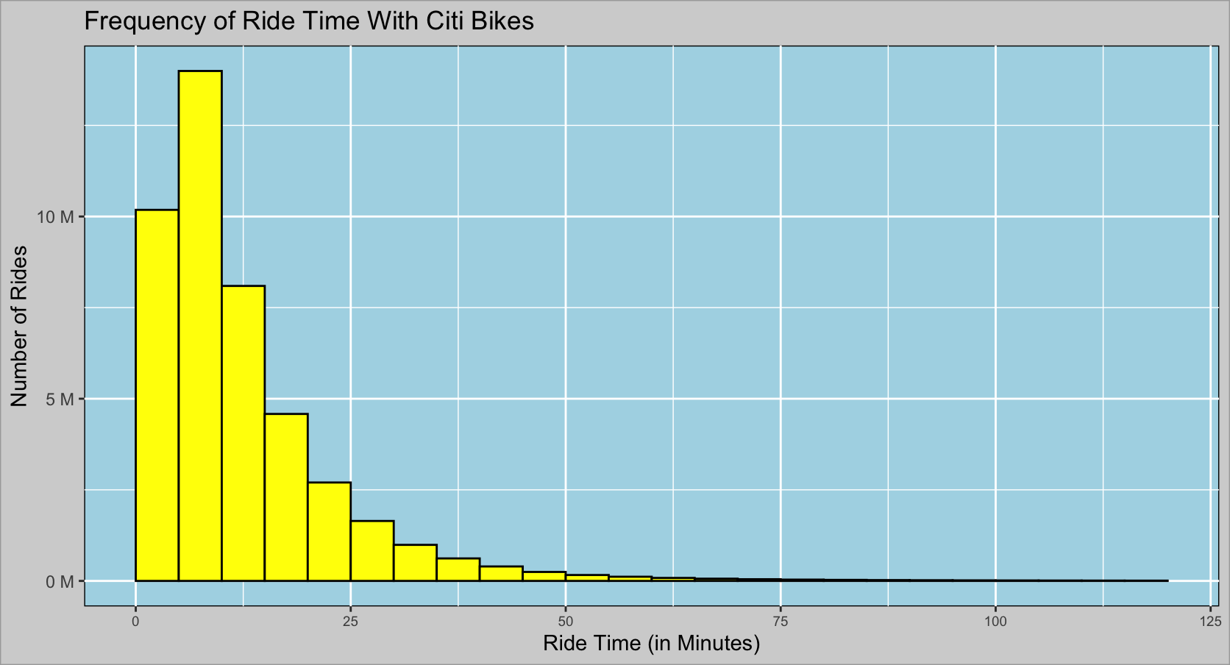
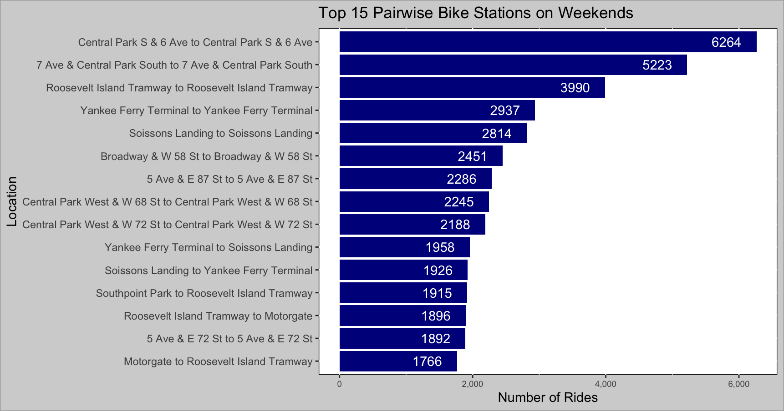

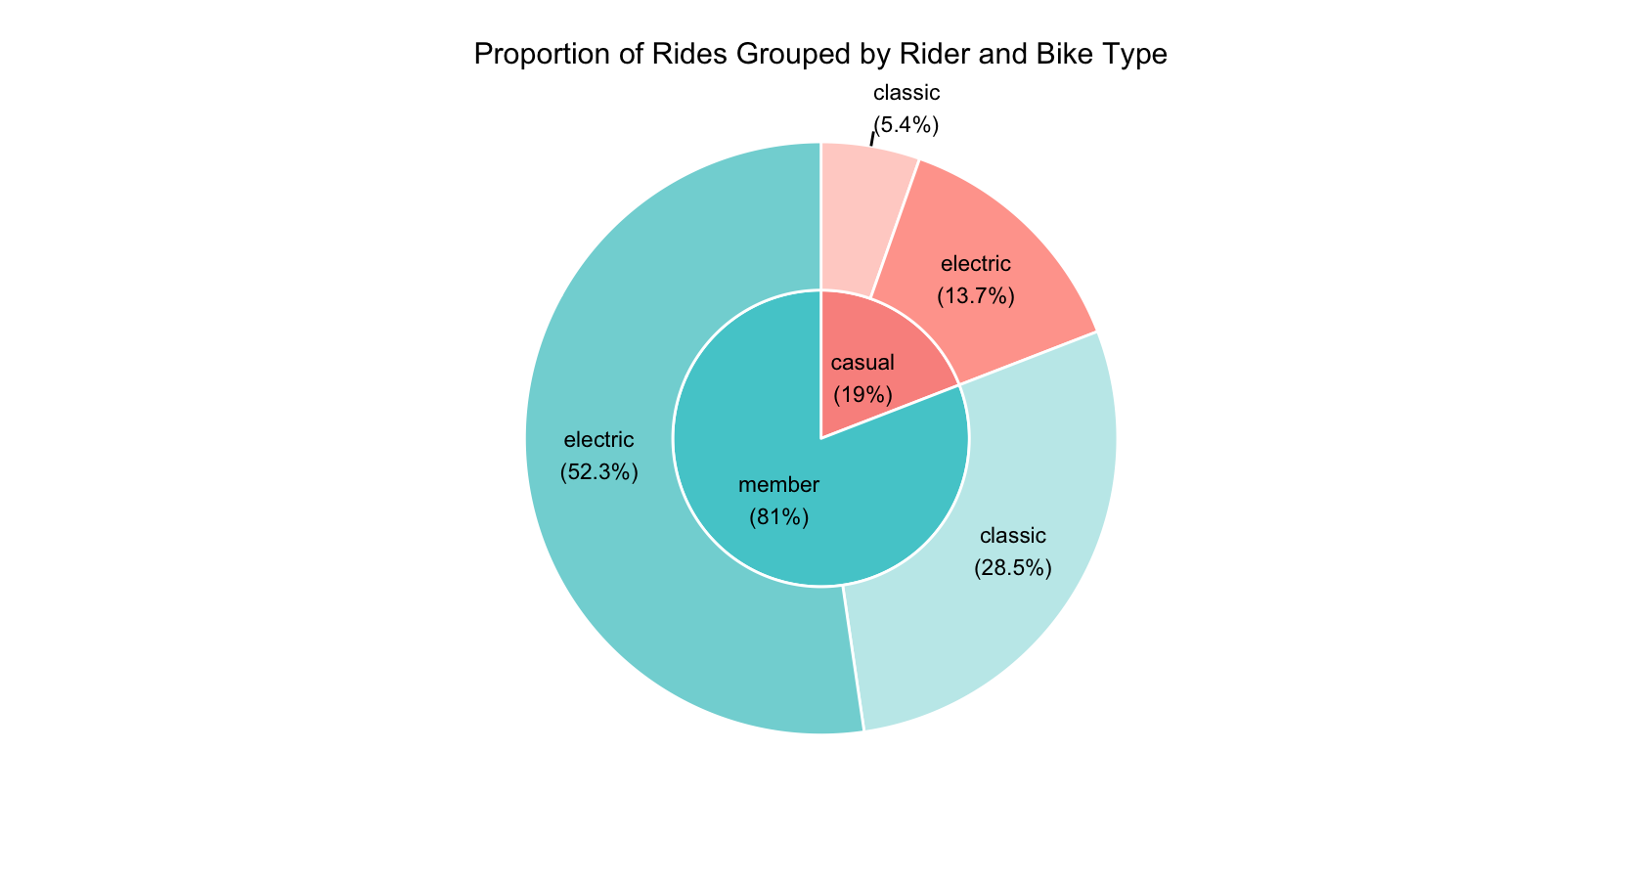

This bar graph shows the top pairwise stations where people use Citi Bikes over the weekend. The top routes are located in Central Park, Governors Island (Soissons Landing and Yankee Ferry Terminal), Roosevelt Island Tramway, and parts of Upper East/West Side. Observing most routes show how people conclude their rides bringing the Citi Bikes back to the same bike dock location they started their rides at.

This nested pie chart shows the proportion of how many rides occurred grouped by type of rider: those who have membership with Citi Bikes (member) and those without (casual). Each group is then divided into smaller subgroups representing the type of bike they rode. Observing at least 80% of all rides are from individuals who are members. Additionally, both member and casual riders prefer using electric bikes over non-electric.

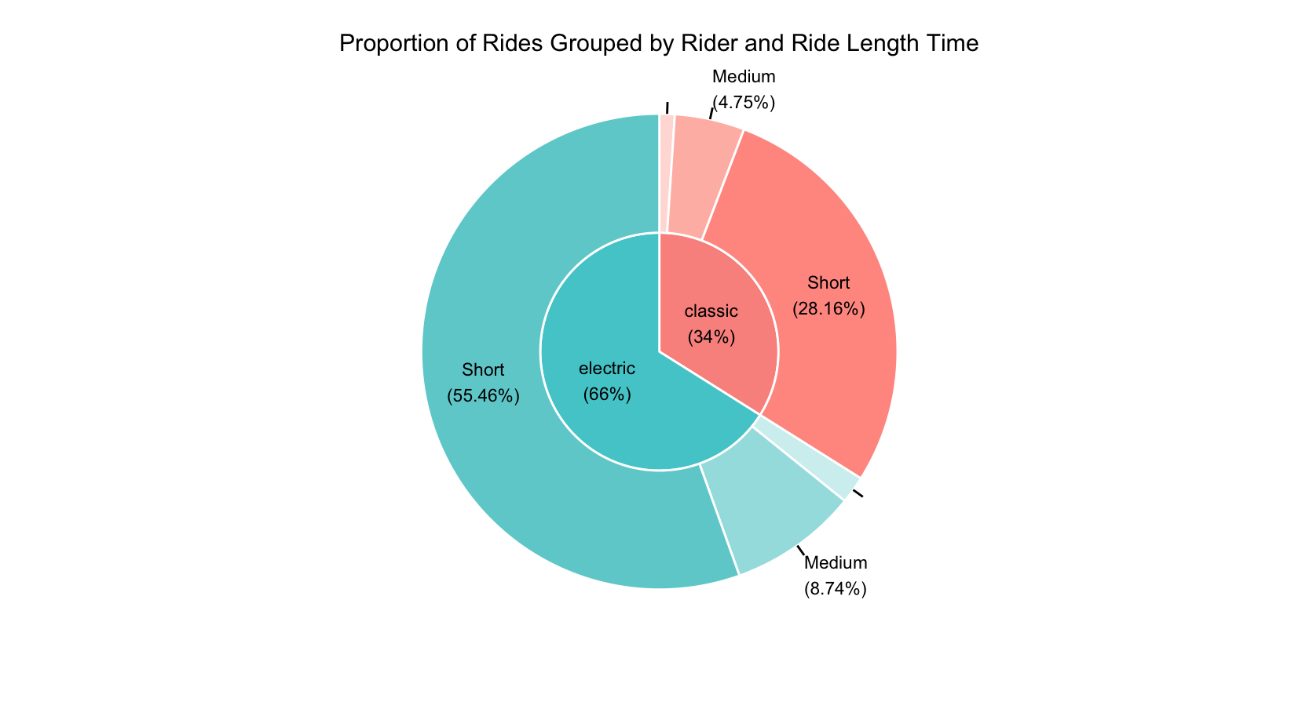

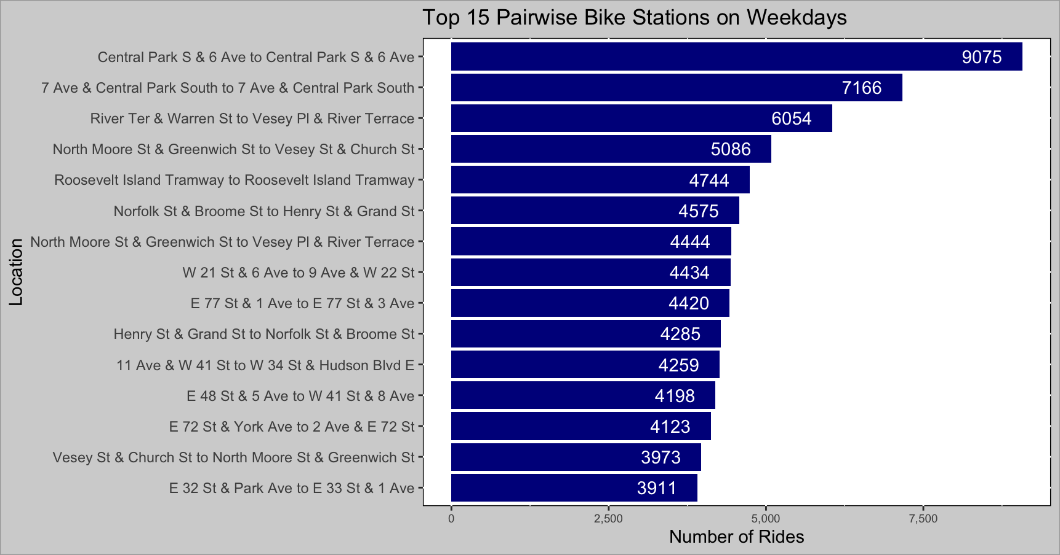
This histogram graph shows the frequency of how long each ride took. Each bar covers a specific range every 5 minutes (example: 1-5, 6-10, 11-15,....) . a bar's height indicates the frequency of data points within a specific range. We can see that majority of rides with Citi Bikes last 20 minutes at most. This histogram skews to the right expressing shorter rides occur alot more frequently than longer rides. The average ride length value (in minutes) is greater than the median value.
This nested pie chart shows the proportion of how many rides occurred grouped by type of bike: electric and non-electric (classic) Each group is then divided into smaller subgroups representing the range of how long each ride occured: Short (20 minutes or less), Medium (Between 21 and 40 minutes) and Long (Over 40 minutes). Observing two-thirds of all rides are from individuals riding electric bikes. Additionally, majority of rides are at most 20 minutes regardless of the type of bike used. The remaining non-labeled sectors because they make up a smaller percentage of rides represent Long rides consisting of over 40 minutes.

This bar graph shows the top pairwise stations where people use Citi Bikes during the week. The top routes also take place in Central Park and Roosevelt Island Tramway along with sections of Lower and Upper Manhattan. Unlike weekends, more routes show how people end their rides at bike dock locations, differing from where they started from.

6b. Visualizations Part 2
Visualizations Part 2

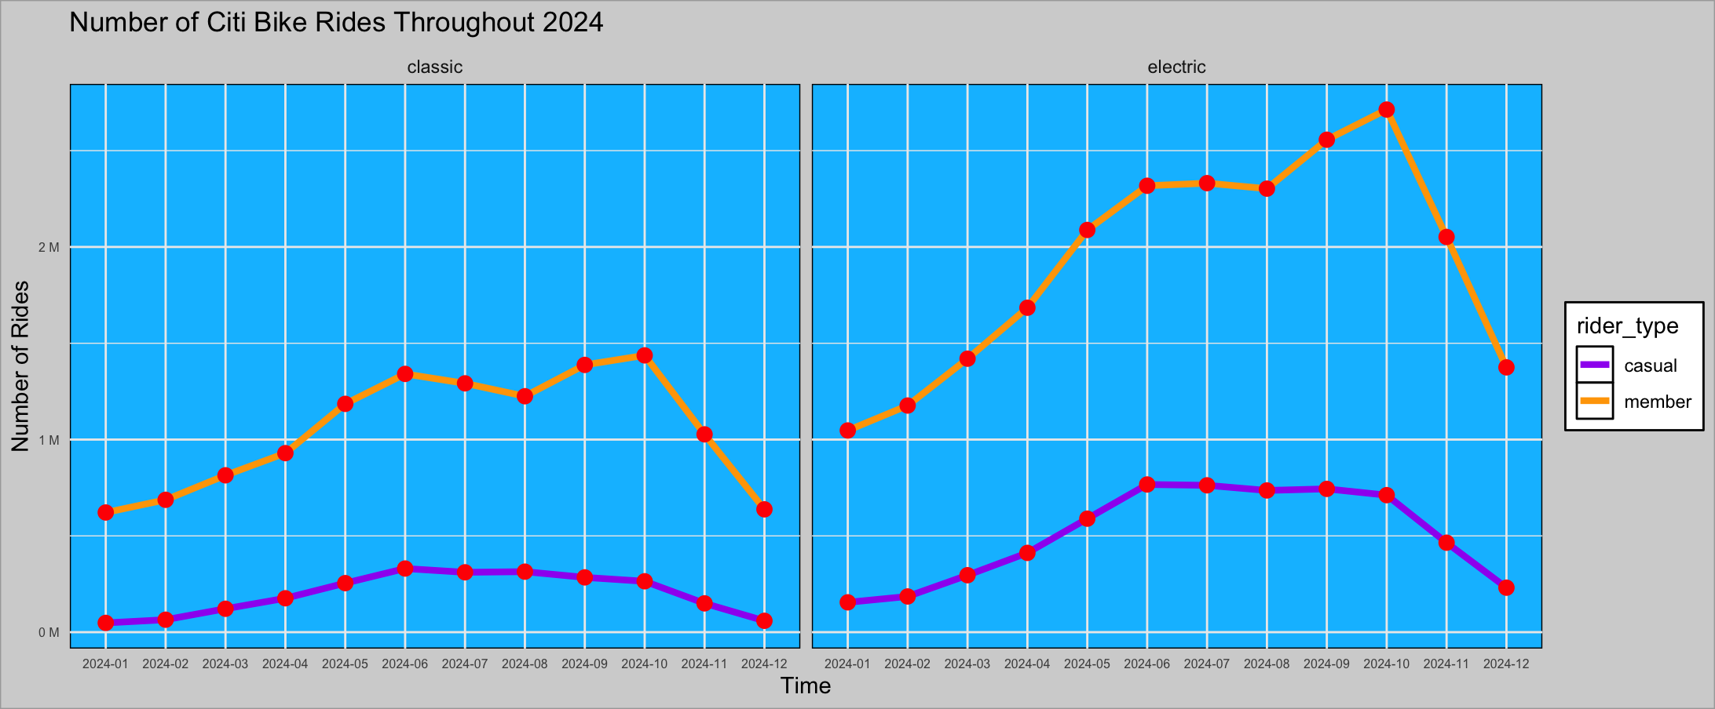
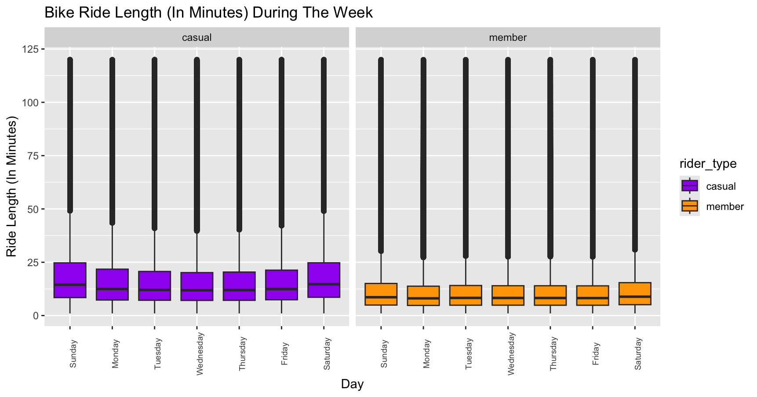
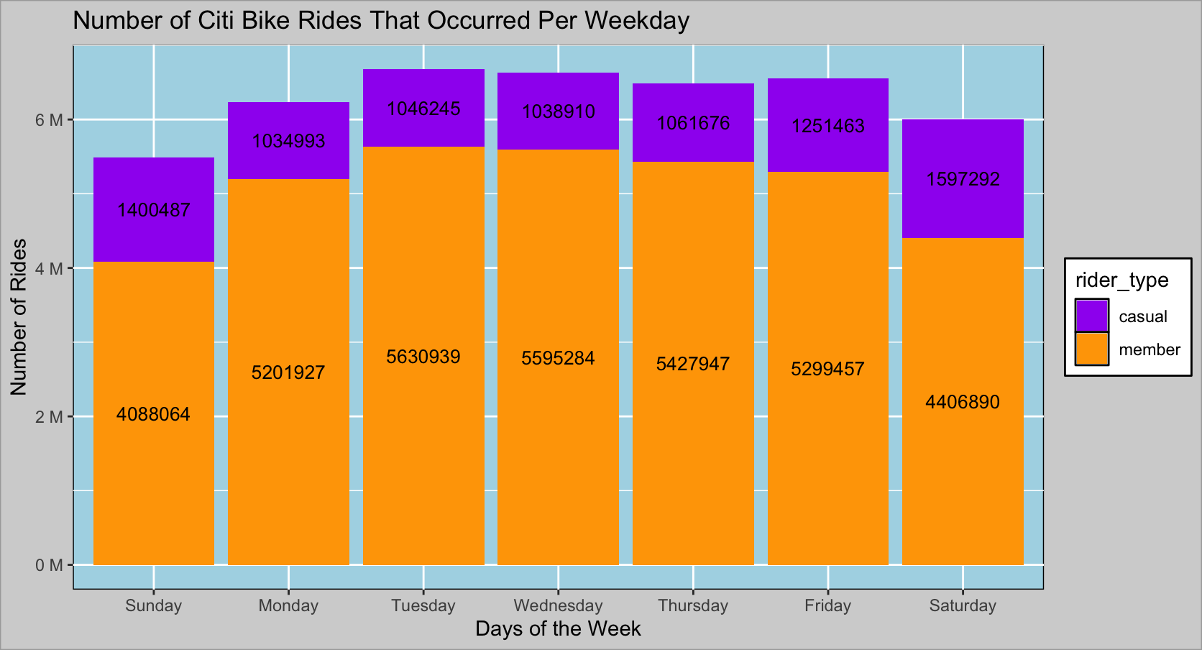

This bar graph shows how many Citi Bike rides occur per day. For people who have membership with Citi Bikes, more rides happen throughout the week while casual riders bike more over the weekend. Due to members making up a huge significant amount of rides compared to non-members, more rides from an overall standpoint take place between Monday and Friday.
These line graphs shows how many Citi Bike rides occur on a monthly basis. Operationally, the number of Citi Bike rides peak between late spring and mid fall whether they ride electric or non-electric bikes. For those with membership, the use of Citi electric bikes have nearly tripled from January to October. The reason for this drop after October can be due to colder weather.

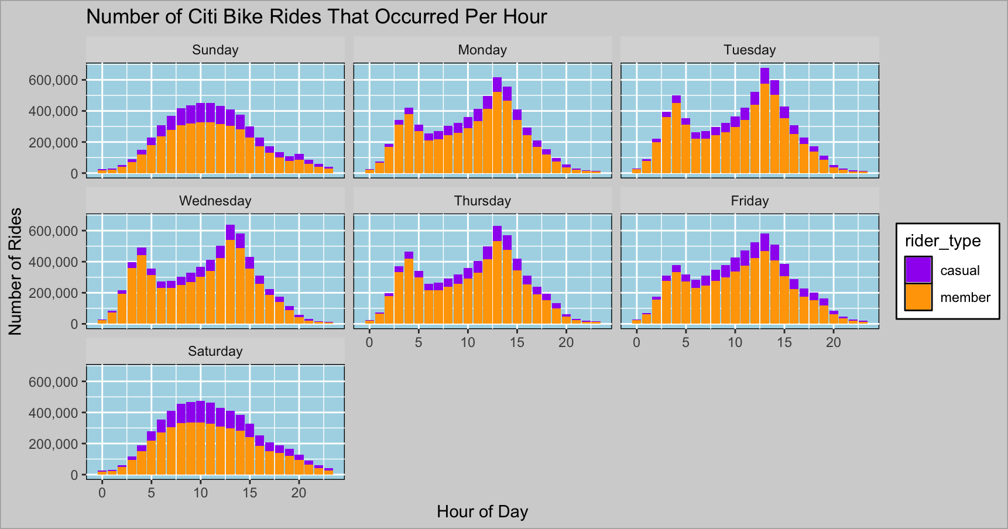

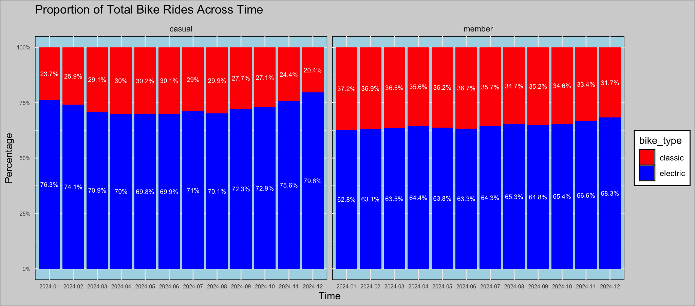

Each bar chart represented by day shows a distribution of all bike rides occurring per hour grouped by rider type. During the week, member riders bike more around the start and end time of the business day. However over the weekend, bike rides peak between mid morning and afternoon regardless of type of rider.
Each bar graph representing the type of rider shows the ratio of rides with electric bikes to rides with non-electric bikes on a monthly basis. As mentioned before, the use of electric bikes make up most of the rides. Across time this year, there's a slight percentage increase in the usage of electric Citi Bikes from members. For casual riders, the ratio of riding only non-electric bikes to riding all types of bikes tend to peak in warmer months of the year (March to August). For the same type of riders, the percentage of electric bike usage are higher in the winter months.

Each box plot represented by day describes the data points of how long each rider type rides with Citi Bikes. Although we see more entries of rides biked by those who are members, that doesn't necessarily mean they bike the longest. In fact, according to statistics, non-members ride longer than those who have membership. We can intepret non-members who use Citi-Bikes are casually riding, especially over the weekend. For members who have shorter rides are not casually riding, however, may be using them as a tactic to commute to work.
Day | Rider Type | average time ride (in minutes) | median time ride (in minutes)
Sunday | casual | 19.5 | 14.5
Sunday | member | 11.7 | 8.6
Monday | casual | 17.3 | 12.4
Monday | member | 10.8 | 8.1
Tuesday | casual | 16.6 | 12.1
Tuesday | member | 11 | 8.3
Wednesday | casual | 16.2 | 11.8
Wednesday | member | 10.9 | 8.3
Thursday | casual | 16.4 | 11.9
Thursday | member | 10.9 | 8.2
Friday | casual | 17 | 12.4
Friday | member | 10.9 | 8.2
Saturday | casual | 19.5 | 14.7
Saturday | member | 12 | 8.9

7. Recommendations
Recommendations

Question | Answers | Recommdendations
1) What are the busiest days of the week and hours of the day? | For people who have membership with Citi Bikes, more rides happen throughout the week while casual riders tend to bike more over the weekend. Due to members making up a huge significant amount of rides compared to non-members, more rides from an overall standpoint take place between Monday and Friday. During the week, member riders bike more around the start and end time of the business day (9 AM to 5 PM). However over the weekend, bike rides peak between mid morning and afternoon regardless of type of rider. | For those who are members, host weekend events (occasions can include holidays) to encourage individuals to spend more time riding Citi Bikes. Offer a percentage discount to those who are already subscribed so they are motivated to bike more with them.
2) Are bike riding habits the same for members and non-members with Citi-Bikes? | At least 80% of all Citi Bike records are from those who are members. However, their rides with Citi Bikes are shorter than those who are non-members on average. In fact, casual riders tend to ride significantly longer than member riders on the weekends. Both member and casual riders prefer riding electric bikes over non-electric as approximately 65% of total rides are made up of using electric bikes. Generally, the majority of rides by members and non-members are at 20 minutes at most. | For those who are non-members, offer discounted opportunities where people can sign up for membership (Example: Get 20% off if you use a NYC Bike 20 times from the start of the month. The discount would terminate at the end of the month, then the member can start over with the same process at the start of each month.)
3) Analyze how Citi Bikes are used during the year. Are there any trends during the seasons? | Operationally, the number of Citi Bike rides peaked between late spring and mid fall whether they ride electric or non-electric bikes. For those who have membership, the use of Citi electric bikes have nearly tripled from January to October. The reason for this drop after October can be due to colder weather. Overall this year for members, the ratio for number of rides with only electric bikes to overall rides have slightly increased by about 4%. For casual riders, the ratio for number of rides with only non-electric bikes to riding all types of bikes tend to peak in the warmer months of the year (March to August). For the same type of riders, the ratio of using electric bike to all types of bikes are higher in the winter months. | To increase profit, advertise NYC Citi Bikes in the spring time in order to have more people subscribe with them since more rides occur over the summer. To adhere to members' needs, increase the manufacture of electric bikes by 5% for better availability.
4) What are the top frequent pairwise station rides (start station to end station) for weekdays, how about for weekends? | During weekdays, the top routes are located in lower Manhatten and Upper East/West Side. During the weekends, the top routes also take place in the Upper East/West Side plus Governors Island. Whether taking place on a weekday or weekend, more rides occur in Central Park and around the Roosevelt Island Tramway. | Start expanding bike stations in Manhatten and Governors Island so there are more bikes available for members and casual riders. Be sure to allocate 10% more Citi bikes to stations in Central Park and Governors Island, and the Roosevelt Island Tramway compared to other neighborhoods.

Next Steps:
Have Citi Bikes expand more information on census backgrounds such as age and gender, so we can do further analysis on demographics.

8. Appendix
Appendix

start_time (Military Time) | count | day | count | month | count | ride length type | count
0 | 190,993 | Sunday | 5,488,551 | 2024-01 | 1,871,700 | Long | 1,274,875
1 | 449,766 | Monday | 6,236,920 | 2024-02 | 2,114,021 | Medium | 5,947,105
2 | 1,103,429 | Tuesday | 6,677,184 | 2024-03 | 2,651,751 | Short | 36,859,594
3 | 2,016,479 | Wednesday | 6,634,194 | 2024-04 | 3,201,687
4 | 2,589,109 | Thursday | 6,489,623 | 2024-05 | 4,117,685
5 | 2,187,676 | Friday | 6,550,920 | 2024-06 | 4,755,895
6 | 1,990,413 | Saturday | 6,004,182 | 2024-07 | 4,696,490
7 | 2,174,294 |  |  | 2024-08 | 4,577,761
8 | 2,414,572 |  |  | 2024-09 | 4,972,834
9 | 2,576,361 |  |  | 2024-10 | 5,126,157
10 | 2,802,711 |  |  | 2024-11 | 3,693,085
11 | 3,035,099 |  |  | 2024-12 | 2,302,508
12 | 3,407,235
13 | 3,961,359
14 | 3,580,841
15 | 2,706,848
16 | 1,991,180
17 | 1,506,776
18 | 1,221,858
19 | 887,316
20 | 564,583
21 | 342,652
22 | 221,679
23 | 158,345

rider type | count | bike type | count | start station name | count | end station name | count
casual | 8,431,066 | classic | 14,963,042 | 1 Ave & E 110 St | 24820 | 1 Ave & E 110 St | 24973
member | 35,650,508 | electric | 29,118,532 | 1 Ave & E 118 St | 11845 | 1 Ave & E 118 St | 11874
 |  |  |  | 1 Ave & E 16 St | 70056 | 1 Ave & E 16 St | 67777
 |  |  |  | 1 Ave & E 18 St | 76246 | 1 Ave & E 18 St | 75864
 |  |  |  | 1 Ave & E 30 St | 55766 | 1 Ave & E 30 St | 56121
 |  |  |  | 1 Ave & E 38 St | 70040 | 1 Ave & E 38 St | 70761
 |  |  |  | 1 Ave & E 39 St | 37325 | 1 Ave & E 39 St | 36726
 |  |  |  | 1 Ave & E 42 St | 6003 | 1 Ave & E 42 St | 5790
 |  |  |  | 1 Ave & E 44 St | 24657 | 1 Ave & E 44 St | 24487
 |  |  |  | 1 Ave & E 6 St | 74030 | 1 Ave & E 6 St | 73565
 |  |  |  | 1 Ave & E 62 St | 54557 | 1 Ave & E 62 St | 54855
 |  |  |  | 1 Ave & E 68 St | 83237 | 1 Ave & E 68 St | 83723
 |  |  |  | 1 Ave & E 94 St | 21640 | 1 Ave & E 94 St | 21766
 |  |  |  | 1 Pl & Clinton St | 22324 | 1 Pl & Clinton St | 22378
 |  |  |  | 1 St & 6 Ave | 17677 | 1 St & 6 Ave | 17680
 |  |  |  | 10 Ave & W 14 St | 91807 | 10 Ave & W 14 St | 92360
 |  |  |  | 10 Ave & W 202 St | 2000 | 10 Ave & W 202 St | 2092
 |  |  |  | 10 Ave & W 204 St | 1328 | 10 Ave & W 204 St | 1462
 |  |  |  | 10 Ave & W 207 St | 4597 | 10 Ave & W 207 St | 4882
 |  |  |  | 10 Ave & W 215 St | 2024 | 10 Ave & W 215 St | 2108
 |  |  |  | 10 Ave & W 28 St | 80585 | 10 Ave & W 28 St | 80441
 |  |  |  | 10 St & 2 Ave | 12221 | 10 St & 2 Ave | 12299
 |  |  |  | 10 St & 4 Ave | 15337 | 10 St & 4 Ave | 15458
 |  |  |  | 10 St & 5 Ave | 19059 | 10 St & 5 Ave | 19140
 |  |  |  | 10 St & 7 Ave | 37642 | 10 St & 7 Ave | 37612
 |  |  |  | 100 St & 37 Ave | 1683 | 100 St & 37 Ave | 1704
 |  |  |  | 100 St & Humphreys St | 1198 | 100 St & Humphreys St | 1234
 |  |  |  | 100 St & Lewis Ave | 1578 | 100 St & Lewis Ave | 1618
 |  |  |  | 100 St & Northern Blvd | 1878 | 100 St & Northern Blvd | 1851
 |  |  |  | 102 St & 34 Ave | 1952 | 102 St & 34 Ave | 1962
 |  |  |  | 103 St & 41 Ave | 2614 | 103 St & 41 Ave | 2644
 |  |  |  | 103 St & Martense Ave | 2691 | 103 St & Martense Ave | 2719
 |  |  |  | 104 St & 32 Ave | 2310 | 104 St & 32 Ave | 2266
 |  |  |  | 104 St & 38 Ave | 2201 | 104 St & 38 Ave | 2255
 |  |  |  | 104 St & Northern Blvd | 2290 | 104 St & Northern Blvd | 2277
 |  |  |  | 107 St & 32 Ave | 1655 | 107 St & 32 Ave | 1654
 |  |  |  | 108 St & 39 Ave | 1828 | 108 St & 39 Ave | 1883
 |  |  |  | 108 St & 52 Ave | 703 | 108 St & 52 Ave | 774
 |  |  |  | 11 Ave & Prospect Ave | 14999 | 11 Ave & Prospect Ave | 15041
 |  |  |  | 11 Ave & W 27 St | 80649 | 11 Ave & W 27 St | 80945
 |  |  |  | 11 Ave & W 41 St | 127283 | 11 Ave & W 41 St | 127034
 |  |  |  | 11 Ave & W 59 St | 57641 | 11 Ave & W 59 St | 59554
 |  |  |  | 11 St & 43 Ave | 5649 | 11 St & 43 Ave | 5481
 |  |  |  | 11 St & 44 Rd | 10786 | 11 St & 44 Rd | 10803
 |  |  |  | 11 St & Washington St | 3 | 11 St & Washington St | 106
 |  |  |  | 111 St & 37 Ave | 1256 | 111 St & 37 Ave | 1329
 |  |  |  | 111 St & 49 Ave | 3543 | 111 St & 49 Ave | 3605
 |  |  |  | 111 St & 53 Ave | 2422 | 111 St & 53 Ave | 2496
 |  |  |  | 111 St & Roosevelt Ave | 2308 | 111 St & Roosevelt Ave | 2391
 |  |  |  | 112 St & Northern Blvd | 1922 | 112 St & Northern Blvd | 1963
 |  |  |  | 114 St & 39 Ave | 1210 | 114 St & 39 Ave | 1306
 |  |  |  | 12 Ave & 36 St | 4681 | 12 Ave & 36 St | 4729
 |  |  |  | 12 Ave & W 125 St | 22760 | 12 Ave & W 125 St | 22863
 |  |  |  | 12 Ave & W 40 St | 105240 | 12 Ave & W 40 St | 105945
 |  |  |  | 12 St & 4 Ave | 12365 | 12 St & 4 Ave | 12568
 |  |  |  | 12 St & Sinatra Dr N | 3 | 12 St & Sinatra Dr N | 192
 |  |  |  | 14 St & 5 Ave | 27950 | 14 St & 5 Ave | 28138
 |  |  |  | 14 St & 7 Ave | 29929 | 14 St & 7 Ave | 29869
 |  |  |  | 14 St Ferry - 14 St & Shipyard Ln | 3 | 14 St Ferry - 14 St & Shipyard Ln | 473
 |  |  |  | 16 St & 4 Ave | 10734 | 16 St & 4 Ave | 10898
 |  |  |  | 17 St & 5 Ave | 18150 | 17 St & 5 Ave | 18237
 |  |  |  | 18 St & 27 Ave | 13373 | 18 St & 27 Ave | 13369
 |  |  |  | 19 St & 24 Ave | 11766 | 19 St & 24 Ave | 11816
 |  |  |  | 19 St & 8 Ave | 4036 | 19 St & 8 Ave | 3258
 |  |  |  | 190 Morgan | 1 | 190 Morgan | 21
 |  |  |  | 2 Ave & 32 St | 1350 | 2 Ave & 32 St | 1415
 |  |  |  | 2 Ave & 36 St | 4054 | 2 Ave & 36 St | 4478
 |  |  |  | 2 Ave & 37 St | 3567 | 2 Ave & 37 St | 3850
 |  |  |  | 2 Ave & 39 St | 81 | 2 Ave & 39 St | 84
 |  |  |  | 2 Ave & 43 St | 386 | 2 Ave & 43 St | 398
 |  |  |  | 2 Ave & 44 St | 470 | 2 Ave & 44 St | 493
 |  |  |  | 2 Ave & E 104 St | 3118 | 2 Ave & E 104 St | 3167
 |  |  |  | 2 Ave & E 122 St | 10523 | 2 Ave & E 122 St | 10684
 |  |  |  | 2 Ave & E 125 St | 14366 | 2 Ave & E 125 St | 14366
 |  |  |  | 2 Ave & E 29 St | 86151 | 2 Ave & E 29 St | 86187
 |  |  |  | 2 Ave & E 31 St | 45523 | 2 Ave & E 31 St | 44588
 |  |  |  | 2 Ave & E 72 St | 75723 | 2 Ave & E 72 St | 75846
 |  |  |  | 2 Ave & E 96 St | 37836 | 2 Ave & E 96 St | 37952
 |  |  |  | 2 Ave & E 99 St | 17410 | 2 Ave & E 99 St | 17575
 |  |  |  | 20 Ave & 21 St | 374 | 2 St & Park Ave | 24
 |  |  |  | 20 Ave & 31 St | 3268 | 20 Ave & 21 St | 334
 |  |  |  | 20 Ave & 38 St | 8790 | 20 Ave & 31 St | 3295
 |  |  |  | 20 Ave & 42 St | 3651 | 20 Ave & 38 St | 8846
 |  |  |  | 20 Ave & 48 St | 2894 | 20 Ave & 42 St | 3698
 |  |  |  | 20 Ave & Shore Blvd | 1533 | 20 Ave & 48 St | 2913
 |  |  |  | 21 Ave & 80 St | 2667 | 20 Ave & Shore Blvd | 1589
 |  |  |  | 21 Ave & Crescent St | 14235 | 21 Ave & 80 St | 2692
 |  |  |  | 21 Ave & Shore Blvd | 6759 | 21 Ave & Crescent St | 13971
 |  |  |  | 21 St & 20 Ave | 842 | 21 Ave & Shore Blvd | 6802
 |  |  |  | 21 St & 21 Ave | 9944 | 21 St & 20 Ave | 817
 |  |  |  | 21 St & 23 Ave | 6143 | 21 St & 21 Ave | 9891
 |  |  |  | 21 St & 31 Dr | 13394 | 21 St & 23 Ave | 6170
 |  |  |  | 21 St & 36 Ave | 6330 | 21 St & 31 Dr | 13431
 |  |  |  | 21 St & 38 Ave | 3999 | 21 St & 36 Ave | 6312
 |  |  |  | 21 St & 4 Ave | 11119 | 21 St & 38 Ave | 3821
 |  |  |  | 21 St & 43 Ave | 8882 | 21 St & 4 Ave | 11234
 |  |  |  | 21 St & Hoyt Ave S | 17175 | 21 St & 43 Ave | 8849
 |  |  |  | 21 St & Queens Plaza North | 15797 | 21 St & Hoyt Ave S | 17091
 |  |  |  | 23 Ave & 27 St | 7720 | 21 St & Queens Plaza North | 15717
 |  |  |  | 23 Ave & 31 St | 18513 | 23 Ave & 27 St | 7769
 |  |  |  | 23 Ave & 83 St | 1896 | 23 Ave & 31 St | 18683
 |  |  |  | 23 Rd & 31 St | 4116 | 23 Ave & 83 St | 1901
 |  |  |  | 23 St & 3 Ave | 2224 | 23 Rd & 31 St | 4079
 |  |  |  | 23 St & 31 Ave | 10788 | 23 St & 3 Ave | 2299
 |  |  |  | 24 Ave & 26 St | 9915 | 23 St & 31 Ave | 10712
 |  |  |  | 24 Ave & 29 St | 9926 | 24 Ave & 26 St | 9988
 |  |  |  | 24 Ave & 87 St | 981 | 24 Ave & 29 St | 9906
 |  |  |  | 24 Ave & 92 St | 877 | 24 Ave & 87 St | 970
 |  |  |  | 24 St & 38 Ave | 8323 | 24 Ave & 92 St | 854
 |  |  |  | 24 St & 41 Ave | 6873 | 24 St & 38 Ave | 8203
 |  |  |  | 24 St & 5 Ave | 8094 | 24 St & 41 Ave | 6790
 |  |  |  | 25 Ave & 41 St | 16419 | 24 St & 5 Ave | 8156
 |  |  |  | 25 Ave & 85 St | 2363 | 25 Ave & 41 St | 16241
 |  |  |  | 25 Ave & 96 St | 823 | 25 Ave & 85 St | 2378
 |  |  |  | 26 Ave & 2 St | 5980 | 25 Ave & 96 St | 841
 |  |  |  | 27 Ave & 3 St | 6128 | 26 Ave & 2 St | 6025
 |  |  |  | 27 Ave & 9 St | 7093 | 27 Ave & 3 St | 6156
 |  |  |  | 27 St & Hunter St | 27640 | 27 Ave & 9 St | 6899
 |  |  |  | 28 Ave & 35 St | 13718 | 27 St & Hunter St | 27699
 |  |  |  | 28 Ave & 44 St | 10768 | 28 Ave & 35 St | 13049
 |  |  |  | 28 St & 36 Ave | 12805 | 28 Ave & 44 St | 10490
 |  |  |  | 28 St & 41 Ave | 7916 | 28 St & 36 Ave | 12458
 |  |  |  | 29 St & 40 Ave | 3490 | 28 St & 41 Ave | 7842
 |  |  |  | 29 St & 5 Ave | 4239 | 29 St & 40 Ave | 3354
 |  |  |  | 29 St & Skillman Ave | 3297 | 29 St & 5 Ave | 4291
 |  |  |  | 3 Ave & 14 St | 9108 | 29 St & Skillman Ave | 3379
 |  |  |  | 3 Ave & 17 St | 2128 | 3 Ave & 14 St | 9381
 |  |  |  | 3 Ave & Carroll St | 13905 | 3 Ave & 17 St | 2208
 |  |  |  | 3 Ave & E 100 St | 13110 | 3 Ave & Carroll St | 14364
 |  |  |  | 3 Ave & E 109 St | 12341 | 3 Ave & E 100 St | 13132
 |  |  |  | 3 Ave & E 112 St | 10675 | 3 Ave & E 109 St | 12440
 |  |  |  | 3 Ave & E 163 St | 6010 | 3 Ave & E 112 St | 10769
 |  |  |  | 3 Ave & E 169 St | 8956 | 3 Ave & E 163 St | 6079
 |  |  |  | 3 Ave & E 170 St | 6356 | 3 Ave & E 169 St | 9025
 |  |  |  | 3 Ave & E 172 St | 5475 | 3 Ave & E 170 St | 6376
 |  |  |  | 3 Ave & E 174 St | 2693 | 3 Ave & E 172 St | 5577
 |  |  |  | 3 Ave & E 189 St | 5887 | 3 Ave & E 174 St | 2697
 |  |  |  | 3 Ave & E 62 St | 49957 | 3 Ave & E 189 St | 6039
 |  |  |  | 3 Ave & E 71 St | 31529 | 3 Ave & E 62 St | 50080
 |  |  |  | 3 Ave & E 72 St | 23294 | 3 Ave & E 71 St | 30618
 |  |  |  | 3 Ave & E 81 St | 21708 | 3 Ave & E 72 St | 23351
 |  |  |  | 3 Ave & E 82 St | 24863 | 3 Ave & E 81 St | 21780
 |  |  |  | 3 Ave & E Tremont Ave | 5154 | 3 Ave & E 82 St | 25019
 |  |  |  | 3 Ave & Franklin Ave | 5325 | 3 Ave & E Tremont Ave | 5226
 |  |  |  | 3 Ave & Schermerhorn St | 27680 | 3 Ave & Franklin Ave | 5364
 |  |  |  | 3 Ave & Wakeman Pl | 2716 | 3 Ave & Schermerhorn St | 28187
 |  |  |  | 3 St & 3 Ave | 18967 | 3 Ave & Wakeman Pl | 2807
 |  |  |  | 3 St & 7 Ave | 40944 | 3 St & 3 Ave | 19560
 |  |  |  | 3 St & Hoyt St | 13895 | 3 St & 7 Ave | 40908
 |  |  |  | 3 St & Prospect Park West | 44048 | 3 St & Hoyt St | 14258
 |  |  |  | 30 Ave & 12 St | 6382 | 3 St & Prospect Park West | 43689
 |  |  |  | 30 Ave & 21 St | 8009 | 30 Ave & 12 St | 6355
 |  |  |  | 30 Ave & 41 St | 16248 | 30 Ave & 21 St | 8050
 |  |  |  | 30 Ave & 47 St | 7810 | 30 Ave & 41 St | 16106
 |  |  |  | 30 Ave & 70 St | 3579 | 30 Ave & 47 St | 7715
 |  |  |  | 30 Ave & 80 St | 2204 | 30 Ave & 70 St | 3604
 |  |  |  | 30 Ave & 96 St | 1784 | 30 Ave & 80 St | 2235
 |  |  |  | 30 St & 4 Ave | 5701 | 30 Ave & 96 St | 1785
 |  |  |  | 30 St & 48 Ave | 3478 | 30 St & 4 Ave | 5767
 |  |  |  | 31 Ave & 103 St | 1449 | 30 St & 48 Ave | 3422
 |  |  |  | 31 Ave & 14 St | 11033 | 31 Ave & 103 St | 1479
 |  |  |  | 31 Ave & 30 St | 15876 | 31 Ave & 14 St | 11076
 |  |  |  | 31 Ave & 34 St | 21382 | 31 Ave & 30 St | 15877
 |  |  |  | 31 Ave & 57 St | 4307 | 31 Ave & 34 St | 21290
 |  |  |  | 31 Ave & 61 St | 2393 | 31 Ave & 57 St | 4171
 |  |  |  | 31 Ave & 84 St | 2326 | 31 Ave & 61 St | 2438
 |  |  |  | 31 Ave & 86 St | 2521 | 31 Ave & 84 St | 2343
 |  |  |  | 31 Ave & Crescent St | 15510 | 31 Ave & 86 St | 2538
 |  |  |  | 31 Ave & Steinway St | 21146 | 31 Ave & Crescent St | 15510
 |  |  |  | 31 Pl & Hunters Point Ave | 2661 | 31 Ave & Steinway St | 21128
 |  |  |  | 31 St & 21 Ave | 7523 | 31 Pl & Hunters Point Ave | 2666
 |  |  |  | 31 St & Astoria Blvd | 16464 | 31 St & 21 Ave | 7463
 |  |  |  | 31 St & Broadway | 38044 | 31 St & Astoria Blvd | 16385
 |  |  |  | 31 St & Ditmars Blvd | 35948 | 31 St & Broadway | 37757
 |  |  |  | 31 St & Hoyt Ave N | 13619 | 31 St & Ditmars Blvd | 36079
 |  |  |  | 31 St & Newtown Ave | 37846 | 31 St & Hoyt Ave N | 13703
 |  |  |  | 31 St & Northern Blvd | 15761 | 31 St & Newtown Ave | 37814
 |  |  |  | 31 St & Thomson Ave | 7537 | 31 St & Northern Blvd | 15492
 |  |  |  | 32 Ave & 75 St | 3096 | 31 St & Thomson Ave | 7278
 |  |  |  | 32 Ave & 77 St | 2008 | 32 Ave & 75 St | 3093
 |  |  |  | 32 Ave & 81 St | 4262 | 32 Ave & 77 St | 1995
 |  |  |  | 32 Ave & 84 St | 2229 | 32 Ave & 81 St | 4220
 |  |  |  | 33 St & 47 Ave | 3612 | 32 Ave & 84 St | 2086
 |  |  |  | 33 St & Queens Blvd | 7298 | 33 St & 47 Ave | 3645
 |  |  |  | 34 Ave & 108 St | 2104 | 33 St & Queens Blvd | 7089
 |  |  |  | 34 Ave & 113 St | 1325 | 34 Ave & 108 St | 2142
 |  |  |  | 34 Ave & 13 St | 5057 | 34 Ave & 113 St | 1375
 |  |  |  | 34 Ave & 21 St | 7577 | 34 Ave & 13 St | 5038
 |  |  |  | 34 Ave & 31 St | 8851 | 34 Ave & 21 St | 7377
 |  |  |  | 34 Ave & 38 St | 18499 | 34 Ave & 31 St | 8852
 |  |  |  | 34 Ave & 45 St | 7382 | 34 Ave & 38 St | 18519
 |  |  |  | 34 Ave & 48 St | 7580 | 34 Ave & 45 St | 7381
 |  |  |  | 34 Ave & 71 St | 8203 | 34 Ave & 48 St | 7621
 |  |  |  | 34 Ave & 74 St | 10491 | 34 Ave & 71 St | 8243
 |  |  |  | 34 Ave & 83 St | 8480 | 34 Ave & 74 St | 10505
 |  |  |  | 34 Ave & 89 St | 11307 | 34 Ave & 83 St | 8166
 |  |  |  | 34 Ave & Junction Blvd | 5114 | 34 Ave & 89 St | 11209
 |  |  |  | 34 St & 35 Ave | 11345 | 34 Ave & Junction Blvd | 4917
 |  |  |  | 34 St & 38 Ave | 8831 | 34 St & 35 Ave | 11399
 |  |  |  | 34 St & 4 Ave | 6394 | 34 St & 38 Ave | 8664
 |  |  |  | 34 St & 48 Ave | 2199 | 34 St & 4 Ave | 6559
 |  |  |  | 34 St & 5 Ave | 2333 | 34 St & 48 Ave | 2100
 |  |  |  | 34th Ave & Vernon Blvd | 12137 | 34 St & 5 Ave | 2471
 |  |  |  | 35 Ave & 10 St | 13022 | 34th Ave & Vernon Blvd | 12117
 |  |  |  | 35 Ave & 37 St | 14347 | 35 Ave & 10 St | 12849
 |  |  |  | 35 St & 21 Ave | 5744 | 35 Ave & 37 St | 14376
 |  |  |  | 35 St & 23 Ave | 6973 | 35 St & 21 Ave | 5800
 |  |  |  | 35 St & 30 Ave | 18046 | 35 St & 23 Ave | 7027
 |  |  |  | 35 St & 34 Ave | 11395 | 35 St & 30 Ave | 18009
 |  |  |  | 35 St & Broadway | 15096 | 35 St & 34 Ave | 11386
 |  |  |  | 36 Ave & 10 St | 9531 | 35 St & Broadway | 15181
 |  |  |  | 36 Ave & 31 St | 21184 | 36 Ave & 10 St | 9514
 |  |  |  | 36 St & 3 Ave | 11369 | 36 Ave & 31 St | 21117
 |  |  |  | 36 St & 4 Ave | 14148 | 36 St & 3 Ave | 11670
 |  |  |  | 36 St & 47 Ave | 3066 | 36 St & 4 Ave | 14309
 |  |  |  | 36 St & Ditmars Blvd | 12898 | 36 St & 47 Ave | 2893
 |  |  |  | 36 St & Hunters Point Ave | 1943 | 36 St & Ditmars Blvd | 12930
 |  |  |  | 36 St & Queens Blvd | 6084 | 36 St & Hunters Point Ave | 1868
 |  |  |  | 37 Ave & 106 St | 1531 | 36 St & Queens Blvd | 5818
 |  |  |  | 37 Ave & 113 St | 870 | 37 Ave & 106 St | 1556
 |  |  |  | 37 Ave & 35 St | 7628 | 37 Ave & 113 St | 915
 |  |  |  | 37 Ave & 63 St | 3439 | 37 Ave & 35 St | 7263
 |  |  |  | 37 St & 24 Ave | 7194 | 37 Ave & 63 St | 3447
 |  |  |  | 38 Ave & 29 St | 11101 | 37 St & 24 Ave | 7209
 |  |  |  | 38 St & 30 Ave | 22682 | 38 Ave & 29 St | 11113
 |  |  |  | 38 St & Northern Blvd | 4708 | 38 St & 30 Ave | 22460
 |  |  |  | 39 Ave & 45 St | 6674 | 38 St & Northern Blvd | 4653
 |  |  |  | 39 Ave & 54 St | 2077 | 39 Ave & 45 St | 6609
 |  |  |  | 39 Ave & 56 St | 3187 | 39 Ave & 54 St | 2091
 |  |  |  | 39 Ave & 99 St | 2314 | 39 Ave & 56 St | 3208
 |  |  |  | 39 Dr & 52 St | 7688 | 39 Ave & 99 St | 2330
 |  |  |  | 39 St & 47 Ave | 6783 | 39 Dr & 52 St | 7325
 |  |  |  | 39 St & 50 Ave | 7256 | 39 St & 47 Ave | 6672
 |  |  |  | 39 St & Queens Blvd | 8293 | 39 St & 50 Ave | 7022
 |  |  |  | 4 Ave & 17 St | 7989 | 39 St & Queens Blvd | 8027
 |  |  |  | 4 Ave & 26 St | 6728 | 4 Ave & 17 St | 8185
 |  |  |  | 4 Ave & 3 St | 22034 | 4 Ave & 26 St | 6866
 |  |  |  | 4 Ave & 9 St | 5127 | 4 Ave & 3 St | 22195
 |  |  |  | 4 Ave & E 12 St | 70551 | 4 Ave & 9 St | 5367
 |  |  |  | 4 Ave & Shore Road Dr | 3908 | 4 Ave & E 12 St | 72812
 |  |  |  | 4 St & Grand St | 1 | 4 Ave & Shore Road Dr | 3986
 |  |  |  | 4 St & River St | 1 | 4 St & Grand St | 7
 |  |  |  | 40 Ave & 9 St | 7302 | 4 St & River St | 11
 |  |  |  | 40 Ave & Crescent St | 9872 | 40 Ave & 9 St | 7212
 |  |  |  | 40 St & 3 Ave | 1060 | 40 Ave & Crescent St | 9746
 |  |  |  | 40 St & Queens Blvd | 13473 | 40 St & 3 Ave | 1176
 |  |  |  | 41 Ave & 67 St | 1913 | 40 St & Queens Blvd | 12857
 |  |  |  | 41 Ave & 77 St | 8633 | 41 Ave & 67 St | 1837
 |  |  |  | 41 Ave & 80 St | 4365 | 41 Ave & 77 St | 8616
 |  |  |  | 41 St & 3 Ave | 928 | 41 Ave & 80 St | 4318
 |  |  |  | 41 St & 4 Ave | 5544 | 41 St & 3 Ave | 947
 |  |  |  | 42 Ave & 108 St | 927 | 41 St & 4 Ave | 5562
 |  |  |  | 42 Pl & Northern Blvd | 6754 | 42 Ave & 108 St | 982
 |  |  |  | 42 St & 1 Ave | 805 | 42 Pl & Northern Blvd | 6748
 |  |  |  | 43 Ave & 111 St | 1042 | 42 St & 1 Ave | 831
 |  |  |  | 43 Ave & 40 St | 10022 | 43 Ave & 111 St | 1098
 |  |  |  | 43 Ave & 42 St | 14210 | 43 Ave & 40 St | 9851
 |  |  |  | 43 Ave & 47 St | 8192 | 43 Ave & 42 St | 13526
 |  |  |  | 43 St & 23 Ave | 5935 | 43 Ave & 47 St | 7230
 |  |  |  | 43 St & 35 Ave | 5589 | 43 St & 23 Ave | 5789
 |  |  |  | 43 St & 37 Ave | 2046 | 43 St & 35 Ave | 5576
 |  |  |  | 43 St & 50 Ave | 8903 | 43 St & 37 Ave | 1802
 |  |  |  | 43 St & Broadway | 11157 | 43 St & 50 Ave | 8456
 |  |  |  | 43 St & Skillman Ave | 9954 | 43 St & Broadway | 11073
 |  |  |  | 44 Dr & 21 St | 24419 | 43 St & Skillman Ave | 9777
 |  |  |  | 44 Dr & Jackson Ave | 38966 | 44 Dr & 21 St | 24422
 |  |  |  | 44 St & 2 Ave | 920 | 44 Dr & Jackson Ave | 39147
 |  |  |  | 44 St & 3 Ave | 1793 | 44 St & 2 Ave | 947
 |  |  |  | 44 St & 48 Ave | 9844 | 44 St & 3 Ave | 1829
 |  |  |  | 44 St & 6 Ave | 1940 | 44 St & 48 Ave | 8698
 |  |  |  | 44 St & Greenpoint Ave | 8981 | 44 St & 6 Ave | 1819
 |  |  |  | 45 Ave & 21 St | 15210 | 44 St & Greenpoint Ave | 8383
 |  |  |  | 45 Rd & 11 St | 11599 | 45 Ave & 21 St | 15568
 |  |  |  | 45 St & 4 Ave | 6578 | 45 Rd & 11 St | 12169
 |  |  |  | 46 Ave & 5 St | 38966 | 45 St & 4 Ave | 6575
 |  |  |  | 46 Ave & Junction Blvd | 1759 | 46 Ave & 5 St | 38834
 |  |  |  | 46 Rd & 11 St | 9421 | 46 Ave & Junction Blvd | 1782
 |  |  |  | 46 St & 25 Ave | 5567 | 46 Rd & 11 St | 9654
 |  |  |  | 46 St & 28 Ave | 6720 | 46 St & 25 Ave | 5292
 |  |  |  | 46 St & 30 Rd | 6563 | 46 St & 28 Ave | 6500
 |  |  |  | 46 St & 6 Ave | 3735 | 46 St & 30 Rd | 6486
 |  |  |  | 46 St & 7 Ave | 5558 | 46 St & 6 Ave | 3756
 |  |  |  | 46 St & Queens Blvd | 14490 | 46 St & 7 Ave | 5447
 |  |  |  | 47 Ave & 104 St | 911 | 46 St & Queens Blvd | 13464
 |  |  |  | 47 Ave & 109 St | 853 | 47 Ave & 104 St | 968
 |  |  |  | 47 Ave & 31 St | 6509 | 47 Ave & 109 St | 920
 |  |  |  | 47 Ave & 48 St | 5331 | 47 Ave & 31 St | 6506
 |  |  |  | 47 Ave & Skillman Ave | 1796 | 47 Ave & 48 St | 4903
 |  |  |  | 47 St & 3 Ave | 1484 | 47 Ave & Skillman Ave | 1847
 |  |  |  | 48 Ave & 37 St | 3490 | 47 St & 3 Ave | 1518
 |  |  |  | 48 Ave & 41 St | 9707 | 48 Ave & 37 St | 3483
 |  |  |  | 48 Ave & 5 St | 15833 | 48 Ave & 41 St | 9188
 |  |  |  | 48 St & 2 Ave | 980 | 48 Ave & 5 St | 16456
 |  |  |  | 48 St & 37 Ave | 11589 | 48 St & 2 Ave | 1021
 |  |  |  | 48 St & 5 Ave | 5742 | 48 St & 37 Ave | 11673
 |  |  |  | 48 St & 50 Ave | 6793 | 48 St & 5 Ave | 5625
 |  |  |  | 48 St & Barnett Ave | 3136 | 48 St & 50 Ave | 6162
 |  |  |  | 48 St & Broadway | 15778 | 48 St & Barnett Ave | 3124
 |  |  |  | 48 St & Skillman Ave | 10073 | 48 St & Broadway | 15633
 |  |  |  | 49 Ave & 108 St | 1107 | 48 St & Skillman Ave | 9485
 |  |  |  | 49 Ave & 21 St | 12222 | 49 Ave & 108 St | 1201
 |  |  |  | 49 Ave & 27 St | 2279 | 49 Ave & 21 St | 12287
 |  |  |  | 49 St & 25 Ave | 3900 | 49 Ave & 27 St | 2479
 |  |  |  | 49 St & 31 Ave | 9017 | 49 St & 25 Ave | 3550
 |  |  |  | 5 Av & W 139 St | 8144 | 49 St & 31 Ave | 9010
 |  |  |  | 5 Ave & 3 St | 36146 | 5 Av & W 139 St | 8112
 |  |  |  | 5 Ave & 37 St | 4406 | 5 Ave & 3 St | 36340
 |  |  |  | 5 Ave & 41 St | 9801 | 5 Ave & 37 St | 4451
 |  |  |  | 5 Ave & 44 St | 1969 | 5 Ave & 41 St | 9753
 |  |  |  | 5 Ave & 67 St | 3117 | 5 Ave & 44 St | 1994
 |  |  |  | 5 Ave & E 103 St | 42400 | 5 Ave & 67 St | 3140
 |  |  |  | 5 Ave & E 135 St | 8184 | 5 Ave & E 103 St | 42693
 |  |  |  | 5 Ave & E 30 St | 66011 | 5 Ave & E 135 St | 8131
 |  |  |  | 5 Ave & E 63 St | 40364 | 5 Ave & E 30 St | 65935
 |  |  |  | 5 Ave & E 72 St | 70712 | 5 Ave & E 63 St | 40604
 |  |  |  | 5 Ave & E 78 St | 54402 | 5 Ave & E 72 St | 71241
 |  |  |  | 5 Ave & E 87 St | 72780 | 5 Ave & E 78 St | 54622
 |  |  |  | 5 Ave & W 126 St | 19078 | 5 Ave & E 87 St | 73296
 |  |  |  | 5 Ave & W 131 St | 13123 | 5 Ave & W 126 St | 19171
 |  |  |  | 5 Corners Library | 1 | 5 Ave & W 131 St | 13153
 |  |  |  | 5 St & 51 Ave | 11216 | 5 Corners Library | 3
 |  |  |  | 5 St & 6 Ave | 14393 | 5 St & 51 Ave | 11409
 |  |  |  | 5 St & Market St | 12365 | 5 St & 6 Ave | 14473
 |  |  |  | 50 Ave & 65 St | 4134 | 5 St & Market St | 12143
 |  |  |  | 50 St & 30 Ave | 6628 | 50 Ave & 65 St | 4168
 |  |  |  | 50 St & 7 Ave | 5108 | 50 St & 30 Ave | 6574
 |  |  |  | 50 St & Barnett Ave | 6345 | 50 St & 7 Ave | 5076
 |  |  |  | 50 St & Northern Blvd | 6985 | 50 St & Barnett Ave | 6225
 |  |  |  | 51 Ave & 61 St | 2578 | 50 St & Northern Blvd | 7075
 |  |  |  | 51 Ave & Alstyne Ave | 1168 | 51 Ave & 61 St | 2591
 |  |  |  | 51 Ave & Corona Ave | 977 | 51 Ave & Alstyne Ave | 1191
 |  |  |  | 51 Ave & Junction Blvd | 1102 | 51 Ave & Corona Ave | 1006
 |  |  |  | 51 Ave & Van Loon St | 1690 | 51 Ave & Junction Blvd | 1149
 |  |  |  | 51 St & 43 Ave | 8301 | 51 Ave & Van Loon St | 1823
 |  |  |  | 51 St & Hobart St | 5840 | 51 St & 43 Ave | 7130
 |  |  |  | 51 St & Queens Blvd | 3627 | 51 St & Hobart St | 5837
 |  |  |  | 52 St & 1 Ave | 1927 | 51 St & Queens Blvd | 3022
 |  |  |  | 52 St & 6 Ave | 1390 | 52 St & 1 Ave | 1976
 |  |  |  | 53 Ave & 62 St | 1971 | 52 St & 6 Ave | 1376
 |  |  |  | 53 Ave & 94 St | 1657 | 53 Ave & 62 St | 2000
 |  |  |  | 53 St & 2 Ave | 4261 | 53 Ave & 94 St | 1688
 |  |  |  | 53 St & 4 Ave | 3861 | 53 St & 2 Ave | 4357
 |  |  |  | 53 St & 5 Ave | 3567 | 53 St & 4 Ave | 3940
 |  |  |  | 53 St & Flushing Ave | 6786 | 53 St & 5 Ave | 3624
 |  |  |  | 53 St & Roosevelt Ave | 5092 | 53 St & Flushing Ave | 6690
 |  |  |  | 54 St & 37 Ave | 1953 | 53 St & Roosevelt Ave | 4860
 |  |  |  | 55 Ave & 90 St | 2470 | 54 St & 37 Ave | 1967
 |  |  |  | 55 Ave & 97 Pl | 787 | 55 Ave & 90 St | 2547
 |  |  |  | 55 Ave & Center Blvd | 20028 | 55 Ave & 97 Pl | 835
 |  |  |  | 55 Dr & Maurice Ave | 3143 | 55 Ave & Center Blvd | 19808
 |  |  |  | 55 St & 5 Ave | 1986 | 55 Dr & Maurice Ave | 3177
 |  |  |  | 55 St & 7 Ave | 2844 | 55 St & 5 Ave | 2033
 |  |  |  | 55 St & Northern Blvd | 4592 | 55 St & 7 Ave | 2884
 |  |  |  | 56 Ave & 92 St | 3054 | 55 St & Northern Blvd | 4652
 |  |  |  | 56 Ave & Junction Blvd | 1305 | 56 Ave & 92 St | 3195
 |  |  |  | 56 Dr & 59 St | 1184 | 56 Ave & Junction Blvd | 1416
 |  |  |  | 56 Dr & 61 St | 1199 | 56 Dr & 59 St | 1246
 |  |  |  | 56 St & Arnold Ave | 1968 | 56 Dr & 61 St | 1213
 |  |  |  | 57 Ave & 98 Pl | 2381 | 56 St & Arnold Ave | 2010
 |  |  |  | 57 Rd & 58 St | 745 | 57 Ave & 98 Pl | 2634
 |  |  |  | 57 Rd & 59 St | 1055 | 57 Rd & 58 St | 764
 |  |  |  | 57 St & 1 Ave | 2081 | 57 Rd & 59 St | 1099
 |  |  |  | 57 St & 37 Ave | 1225 | 57 St & 1 Ave | 2150
 |  |  |  | 57 St & 4 Ave | 3553 | 57 St & 37 Ave | 1221
 |  |  |  | 57 St & 43 Ave | 2924 | 57 St & 4 Ave | 3609
 |  |  |  | 57 St & 7 Ave | 2630 | 57 St & 43 Ave | 2769
 |  |  |  | 57 St & Grand Ave | 1382 | 57 St & 7 Ave | 2661
 |  |  |  | 57 St & Woodside Ave | 3231 | 57 St & Grand Ave | 1448
 |  |  |  | 58 St & 2 Ave | 2823 | 57 St & Woodside Ave | 3262
 |  |  |  | 58 St & 32 Ave | 3953 | 58 St & 2 Ave | 2892
 |  |  |  | 58 St & 56 Dr | 1641 | 58 St & 32 Ave | 4000
 |  |  |  | 58 St & Pier 4 | 3946 | 58 St & 56 Dr | 1627
 |  |  |  | 59 St & 4 Ave | 4886 | 58 St & Pier 4 | 4022
 |  |  |  | 59 St & 41 Ave | 2726 | 59 St & 4 Ave | 4848
 |  |  |  | 59 St & 5 Ave | 1738 | 59 St & 41 Ave | 2757
 |  |  |  | 59 St & 59 Rd | 902 | 59 St & 5 Ave | 1843
 |  |  |  | 6 Ave & 12 St | 20059 | 59 St & 59 Rd | 909
 |  |  |  | 6 Ave & 21 St | 20876 | 6 Ave & 12 St | 20184
 |  |  |  | 6 Ave & 55 St | 2144 | 6 Ave & 21 St | 20882
 |  |  |  | 6 Ave & 60 St | 2000 | 6 Ave & 55 St | 2165
 |  |  |  | 6 Ave & 9 St | 39033 | 6 Ave & 60 St | 2025
 |  |  |  | 6 Ave & Broome St | 63284 | 6 Ave & 9 St | 39225
 |  |  |  | 6 Ave & Canal St | 30832 | 6 Ave & Broome St | 63977
 |  |  |  | 6 Ave & W 33 St | 112122 | 6 Ave & Canal St | 31910
 |  |  |  | 6 Ave & W 34 St | 88080 | 6 Ave & W 33 St | 110993
 |  |  |  | 6 Ave & W 45 St | 65424 | 6 Ave & W 34 St | 86726
 |  |  |  | 6 Ave & Walker St | 27897 | 6 Ave & W 45 St | 66870
 |  |  |  | 6 St & 7 Ave | 31553 | 6 Ave & Walker St | 28233
 |  |  |  | 6 St & Grand St | 1 | 6 St & 7 Ave | 31771
 |  |  |  | 60 Ave & Fresh Pond Rd | 1574 | 6 St & Grand St | 9
 |  |  |  | 60 Ave & Junction Blvd | 4184 | 60 Ave & Fresh Pond Rd | 1593
 |  |  |  | 60 Ave & Otis Ave | 1489 | 60 Ave & Junction Blvd | 4228
 |  |  |  | 60 Pl & 67 Ave | 2376 | 60 Ave & Otis Ave | 1536
 |  |  |  | 60 Pl & Bleecker St | 3462 | 60 Pl & 67 Ave | 2297
 |  |  |  | 60 Pl & Flushing Ave | 1041 | 60 Pl & Bleecker St | 2974
 |  |  |  | 60 Pl & Linden St | 4262 | 60 Pl & Flushing Ave | 1069
 |  |  |  | 60 St & 37 Ave | 3209 | 60 Pl & Linden St | 3751
 |  |  |  | 60 St & 60 Rd | 1936 | 60 St & 37 Ave | 3256
 |  |  |  | 61 St & 39 Ave | 13888 | 60 St & 60 Rd | 1989
 |  |  |  | 61 St & 60 Ln | 4003 | 61 St & 39 Ave | 13861
 |  |  |  | 61 St & Borden Ave | 779 | 61 St & 60 Ln | 4036
 |  |  |  | 61 St & Laurel Hill Blvd | 2946 | 61 St & Borden Ave | 848
 |  |  |  | 61 St & Queens Blvd | 5720 | 61 St & Laurel Hill Blvd | 2966
 |  |  |  | 61 St & Woodside Ave | 16871 | 61 St & Queens Blvd | 5764
 |  |  |  | 62 St & 34 Ave | 2952 | 61 St & Woodside Ave | 16948
 |  |  |  | 62 St & 4 Ave | 1569 | 62 St & 34 Ave | 2973
 |  |  |  | 62 St & 43 Ave | 2846 | 62 St & 4 Ave | 1612
 |  |  |  | 62 St & 7 Ave | 1968 | 62 St & 43 Ave | 2859
 |  |  |  | 62 St & Northern Blvd | 2496 | 62 St & 7 Ave | 2072
 |  |  |  | 63 St & 5 Ave | 947 | 62 St & Northern Blvd | 2528
 |  |  |  | 63 St & 59 Dr | 1036 | 63 St & 5 Ave | 997
 |  |  |  | 63 St & Borden Ave | 1351 | 63 St & 59 Dr | 1011
 |  |  |  | 64 St & 3 Ave | 587 | 63 St & Borden Ave | 1385
 |  |  |  | 64 St & 51 Ave | 2263 | 64 St & 3 Ave | 796
 |  |  |  | 64 St & 53 Dr | 1440 | 64 St & 51 Ave | 2306
 |  |  |  | 64 St & Woodbine St | 4253 | 64 St & 53 Dr | 1496
 |  |  |  | 65 Ln & Metropolitan Ave | 2255 | 64 St & Woodbine St | 4035
 |  |  |  | 65 Pl & 53 Ave | 2967 | 65 Ln & Metropolitan Ave | 2245
 |  |  |  | 65 Pl & Woodside Ave | 3191 | 65 Pl & 53 Ave | 2993
 |  |  |  | 65 St & 2 Ave | 446 | 65 Pl & Woodside Ave | 3045
 |  |  |  | 65 St & 35 Ave | 1603 | 65 St & 2 Ave | 536
 |  |  |  | 65 St & Broadway | 3801 | 65 St & 35 Ave | 1504
 |  |  |  | 65 St & Otto Rd | 3281 | 65 St & Broadway | 3806
 |  |  |  | 65 St & Roosevelt Ave | 3318 | 65 St & Otto Rd | 3294
 |  |  |  | 67 Ave & Fresh Pond Rd | 6996 | 65 St & Roosevelt Ave | 3237
 |  |  |  | 67 St & Erik Pl | 2521 | 67 Ave & Fresh Pond Rd | 6542
 |  |  |  | 69 St & 38 Ave | 3927 | 67 St & Erik Pl | 2554
 |  |  |  | 69 St & 43 Ave | 4542 | 69 St & 38 Ave | 3676
 |  |  |  | 7 Ave & 17 St | 11756 | 69 St & 43 Ave | 4562
 |  |  |  | 7 Ave & 20 St | 9533 | 7 Ave & 17 St | 11742
 |  |  |  | 7 Ave & 22 St | 5901 | 7 Ave & 20 St | 9370
 |  |  |  | 7 Ave & 40 St | 4803 | 7 Ave & 22 St | 5848
 |  |  |  | 7 Ave & 41 St | 11705 | 7 Ave & 40 St | 4439
 |  |  |  | 7 Ave & 62 St | 793 | 7 Ave & 41 St | 11669
 |  |  |  | 7 Ave & Central Park South | 102282 | 7 Ave & 62 St | 823
 |  |  |  | 7 Ave & Park Pl | 45835 | 7 Ave & Central Park South | 101700
 |  |  |  | 7 Ave & W 55 St | 52342 | 7 Ave & Park Pl | 46078
 |  |  |  | 7 Ave S & Bleecker St | 70408 | 7 Ave & W 55 St | 54568
 |  |  |  | 7 St & 3 Ave | 17973 | 7 Ave S & Bleecker St | 70806
 |  |  |  | 7 St & 5 Ave | 22630 | 7 St & 3 Ave | 18110
 |  |  |  | 7 St & Monroe St | 1 | 7 St & 5 Ave | 22712
 |  |  |  | 71 Ave & Myrtle Ave | 7686 | 7 St & Monroe St | 9
 |  |  |  | 71 St & 32 Ave | 4468 | 71 Ave & Myrtle Ave | 7718
 |  |  |  | 71 St & 37 Ave | 3142 | 71 St & 32 Ave | 4499
 |  |  |  | 72 St & 31 Ave | 3417 | 71 St & 37 Ave | 3040
 |  |  |  | 72 St & 41 Ave | 2893 | 72 St & 31 Ave | 3469
 |  |  |  | 72 St & Broadway | 6357 | 72 St & 41 Ave | 2615
 |  |  |  | 72 St & Northern Blvd | 4159 | 72 St & Broadway | 6404
 |  |  |  | 72 St & Woodside Ave | 3212 | 72 St & Northern Blvd | 4168
 |  |  |  | 73 St & 25 Ave | 2436 | 72 St & Woodside Ave | 3064
 |  |  |  | 74 St & 37 Ave | 14570 | 73 St & 25 Ave | 2473
 |  |  |  | 74 St & Woodside Ave | 3449 | 74 St & 37 Ave | 14577
 |  |  |  | 75 St & 35 Ave | 7997 | 74 St & Woodside Ave | 3464
 |  |  |  | 75 St & Northern Blvd | 2231 | 75 St & 35 Ave | 7962
 |  |  |  | 75 St & Roosevelt Ave | 25422 | 75 St & Northern Blvd | 2206
 |  |  |  | 76 St & 21 Ave | 3331 | 75 St & Roosevelt Ave | 25448
 |  |  |  | 76 St & 45 Ave | 2633 | 76 St & 21 Ave | 3391
 |  |  |  | 77 St & 24 Ave | 3136 | 76 St & 45 Ave | 2646
 |  |  |  | 77 St & 31 Ave | 5816 | 77 St & 24 Ave | 3147
 |  |  |  | 78 St & Northern Blvd | 8351 | 77 St & 31 Ave | 5860
 |  |  |  | 79 St & 37 Ave | 8632 | 78 St & Northern Blvd | 7964
 |  |  |  | 79 St & Roosevelt Ave | 4218 | 79 St & 37 Ave | 8616
 |  |  |  | 79 St & Woodside Ave | 3991 | 79 St & Roosevelt Ave | 4235
 |  |  |  | 8 Ave & W 16 St | 96999 | 79 St & Woodside Ave | 3998
 |  |  |  | 8 Ave & W 24 St | 18739 | 8 Ave & W 16 St | 96856
 |  |  |  | 8 Ave & W 27 St | 48174 | 8 Ave & W 24 St | 18346
 |  |  |  | 8 Ave & W 31 St | 140169 | 8 Ave & W 27 St | 48397
 |  |  |  | 8 Ave & W 33 St | 3860 | 8 Ave & W 31 St | 141430
 |  |  |  | 8 Ave & W 38 St | 94769 | 8 Ave & W 33 St | 4021
 |  |  |  | 8 Ave & W 49 St | 82639 | 8 Ave & W 38 St | 94597
 |  |  |  | 8 Ave & W 52 St | 67267 | 8 Ave & W 49 St | 84067
 |  |  |  | 8 St & Astoria Blvd | 8734 | 8 Ave & W 52 St | 66583
 |  |  |  | 8 St & Washington St | 5 | 8 St & Astoria Blvd | 8792
 |  |  |  | 81 St & 24 Ave | 1306 | 8 St & Washington St | 66
 |  |  |  | 81 St & 34 Ave | 13250 | 81 St & 24 Ave | 1317
 |  |  |  | 81 St & 35 Ave | 8744 | 81 St & 34 Ave | 13117
 |  |  |  | 82 St & 30 Ave | 2769 | 81 St & 35 Ave | 8391
 |  |  |  | 82 St & Broadway | 7026 | 82 St & 30 Ave | 2792
 |  |  |  | 84 St & Roosevelt Ave | 5403 | 82 St & Broadway | 7113
 |  |  |  | 85 St & Northern Blvd | 5232 | 84 St & Roosevelt Ave | 5322
 |  |  |  | 86 St & 35 Ave | 6018 | 85 St & Northern Blvd | 5009
 |  |  |  | 86 St & 37 Ave | 5753 | 86 St & 35 Ave | 6037
 |  |  |  | 87 St & 30 Ave | 1499 | 86 St & 37 Ave | 5605
 |  |  |  | 87 St & Roosevelt Ave | 3027 | 87 St & 30 Ave | 1541
 |  |  |  | 88 St & Astoria Blvd | 1999 | 87 St & Roosevelt Ave | 2890
 |  |  |  | 9 Ave & W 18 St | 61181 | 88 St & Astoria Blvd | 2009
 |  |  |  | 9 Ave & W 204 St | 457 | 9 Ave & W 18 St | 61665
 |  |  |  | 9 Ave & W 219 St | 657 | 9 Ave & W 204 St | 561
 |  |  |  | 9 Ave & W 22 St | 84623 | 9 Ave & W 219 St | 735
 |  |  |  | 9 Ave & W 33 St | 115693 | 9 Ave & W 22 St | 85460
 |  |  |  | 9 Ave & W 39 St | 64215 | 9 Ave & W 33 St | 116489
 |  |  |  | 9 Ave & W 45 St | 72634 | 9 Ave & W 39 St | 64737
 |  |  |  | 9 St & 44 Rd | 8024 | 9 Ave & W 45 St | 73005
 |  |  |  | 9 St HBLR - Jackson St & 8 St | 4 | 9 St & 44 Rd | 8116
 |  |  |  | 90 St & 32 Ave | 4729 | 9 St HBLR - Jackson St & 8 St | 18
 |  |  |  | 90 St & 51 Ave | 1982 | 90 St & 32 Ave | 4678
 |  |  |  | 91 St & 23 Ave | 1603 | 90 St & 51 Ave | 2046
 |  |  |  | 91 St & 31 Ave | 2212 | 91 St & 23 Ave | 1612
 |  |  |  | 92 St & 35 Ave | 3157 | 91 St & 31 Ave | 2238
 |  |  |  | 92 St & 37 Ave | 2143 | 92 St & 35 Ave | 2975
 |  |  |  | 92 St & Astoria Blvd | 2008 | 92 St & 37 Ave | 2138
 |  |  |  | 93 St & Northern Blvd | 4358 | 92 St & Astoria Blvd | 2031
 |  |  |  | 93 St & Roosevelt Ave | 1383 | 93 St & Northern Blvd | 4042
 |  |  |  | 94 St & 57 Ave | 2089 | 93 St & Roosevelt Ave | 1277
 |  |  |  | 95 St & 35 Ave | 2927 | 94 St & 57 Ave | 2334
 |  |  |  | 96 St & Northern Blvd | 2280 | 95 St & 35 Ave | 2895
 |  |  |  | 97 St & 23 Ave | 1651 | 96 St & Northern Blvd | 2182
 |  |  |  | 97 St & 57 Ave | 2051 | 97 St & 23 Ave | 1654
 |  |  |  | 98 St & 25 Ave | 1174 | 97 St & 57 Ave | 2132
 |  |  |  | 98 St & 41 Ave | 2118 | 98 St & 25 Ave | 1204
 |  |  |  | 99 St & 32 Ave | 1351 | 98 St & 41 Ave | 2157
 |  |  |  | 99 St & 35 Ave | 2022 | 99 St & 32 Ave | 1331
 |  |  |  | 99 St & 38 Ave | 1837 | 99 St & 35 Ave | 2007
 |  |  |  | 99 St & 50 Ave | 811 | 99 St & 38 Ave | 1796
 |  |  |  | 99 St & 58 Ave | 1739 | 99 St & 50 Ave | 828
 |  |  |  | 99 St & Astoria Blvd | 1953 | 99 St & 58 Ave | 1859
 |  |  |  | Academy St & Nagle Ave | 1670 | 99 St & Astoria Blvd | 1968
 |  |  |  | Adam Clayton Powell Blvd & W 115 St | 16935 | Academy St & Nagle Ave | 1806
 |  |  |  | Adam Clayton Powell Blvd & W 118 St | 20010 | Adam Clayton Powell Blvd & W 115 St | 17138
 |  |  |  | Adam Clayton Powell Blvd & W 123 St | 24253 | Adam Clayton Powell Blvd & W 118 St | 20255
 |  |  |  | Adam Clayton Powell Blvd & W 126 St | 31605 | Adam Clayton Powell Blvd & W 123 St | 24445
 |  |  |  | Adam Clayton Powell Blvd & W 130 St | 12106 | Adam Clayton Powell Blvd & W 126 St | 32059
 |  |  |  | Adam Clayton Powell Blvd & W 132 St | 14584 | Adam Clayton Powell Blvd & W 130 St | 12216
 |  |  |  | Adam Clayton Powell Blvd & W 138 St | 21539 | Adam Clayton Powell Blvd & W 132 St | 14739
 |  |  |  | Adam Clayton Powell Blvd & W 141 St | 11449 | Adam Clayton Powell Blvd & W 138 St | 21660
 |  |  |  | Adam Clayton Powell Blvd & W 151 St | 8626 | Adam Clayton Powell Blvd & W 141 St | 11458
 |  |  |  | Adams St & 2 St | 3 | Adam Clayton Powell Blvd & W 151 St | 8665
 |  |  |  | Adams St & Prospect St | 21367 | Adams St & 12 St | 24
 |  |  |  | Adelphi St & Myrtle Ave | 40257 | Adams St & 2 St | 7
 |  |  |  | Albany Ave & Carroll St | 9100 | Adams St & Prospect St | 21735
 |  |  |  | Albany Ave & Fulton St | 9813 | Adelphi St & Myrtle Ave | 40069
 |  |  |  | Albany Ave & Park Pl | 7061 | Albany Ave & Carroll St | 8692
 |  |  |  | Albany St & Greenwich St | 28919 | Albany Ave & Fulton St | 9600
 |  |  |  | Albemarle Rd & E 21 St | 5277 | Albany Ave & Park Pl | 6287
 |  |  |  | Albemarle Rd & McDonald Ave | 5872 | Albany St & Greenwich St | 28922
 |  |  |  | Alexander Ave & E 134 St | 6841 | Albemarle Rd & E 21 St | 5457
 |  |  |  | Allen St & Hester St | 58933 | Albemarle Rd & McDonald Ave | 6014
 |  |  |  | Allen St & Rivington St | 73982 | Alexander Ave & E 134 St | 6922
 |  |  |  | Allen St & Stanton St | 76293 | Allen St & Hester St | 59556
 |  |  |  | Amory Ct & Metropolitan Ave | 5460 | Allen St & Rivington St | 74178
 |  |  |  | Amsterdam Ave & W 119 St | 19919 | Allen St & Stanton St | 76351
 |  |  |  | Amsterdam Ave & W 125 St | 13282 | Amory Ct & Metropolitan Ave | 5300
 |  |  |  | Amsterdam Ave & W 131 St | 9225 | Amsterdam Ave & W 119 St | 19848
 |  |  |  | Amsterdam Ave & W 136 St | 11532 | Amsterdam Ave & W 125 St | 13376
 |  |  |  | Amsterdam Ave & W 152 St | 9256 | Amsterdam Ave & W 131 St | 9223
 |  |  |  | Amsterdam Ave & W 156 St | 5914 | Amsterdam Ave & W 136 St | 11486
 |  |  |  | Amsterdam Ave & W 162 St | 6242 | Amsterdam Ave & W 152 St | 8723
 |  |  |  | Amsterdam Ave & W 167 St | 5482 | Amsterdam Ave & W 156 St | 4521
 |  |  |  | Amsterdam Ave & W 172 St | 4066 | Amsterdam Ave & W 162 St | 5690
 |  |  |  | Amsterdam Ave & W 175 St | 5700 | Amsterdam Ave & W 167 St | 5203
 |  |  |  | Amsterdam Ave & W 180 St | 2974 | Amsterdam Ave & W 172 St | 3725
 |  |  |  | Amsterdam Ave & W 183 St | 3452 | Amsterdam Ave & W 175 St | 5553
 |  |  |  | Amsterdam Ave & W 186 St | 2998 | Amsterdam Ave & W 180 St | 2753
 |  |  |  | Amsterdam Ave & W 189 St | 2615 | Amsterdam Ave & W 183 St | 3381
 |  |  |  | Amsterdam Ave & W 60 St | 13888 | Amsterdam Ave & W 186 St | 2482
 |  |  |  | Amsterdam Ave & W 66 St | 44641 | Amsterdam Ave & W 189 St | 2401
 |  |  |  | Amsterdam Ave & W 73 St | 93115 | Amsterdam Ave & W 60 St | 13355
 |  |  |  | Amsterdam Ave & W 79 St | 69008 | Amsterdam Ave & W 66 St | 44800
 |  |  |  | Amsterdam Ave & W 82 St | 60093 | Amsterdam Ave & W 73 St | 92246
 |  |  |  | Anderson Ave & W 164 St | 3531 | Amsterdam Ave & W 79 St | 68772
 |  |  |  | Andrew Ave N & Hall of Fame Tce | 2234 | Amsterdam Ave & W 82 St | 60474
 |  |  |  | Andrews Ave S & W 179 St | 2704 | Anderson Ave & W 164 St | 3517
 |  |  |  | Anthony Ave & E 175 St | 2892 | Andrew Ave N & Hall of Fame Tce | 2203
 |  |  |  | Anthony Ave & E Tremont Ave | 3500 | Andrews Ave S & W 179 St | 2539
 |  |  |  | Aqueduct Ave & North St | 2063 | Anthony Ave & E 175 St | 2828
 |  |  |  | Aqueduct Ave & W 190 St | 2793 | Anthony Ave & E Tremont Ave | 3571
 |  |  |  | Arthur Ave & E 183 St | 2732 | Aqueduct Ave & North St | 2077
 |  |  |  | Arthur Ave & E Tremont Ave | 6491 | Aqueduct Ave & W 190 St | 2638
 |  |  |  | Ash St & Manhattan Ave | 28701 | Arthur Ave & E 183 St | 2814
 |  |  |  | Ashland Pl & Dekalb Ave | 17659 | Arthur Ave & E Tremont Ave | 6636
 |  |  |  | Astoria Park S & Shore Blvd | 16835 | Ash St & Manhattan Ave | 28791
 |  |  |  | Atlantic Ave & Fort Greene Pl | 44280 | Ashland Pl & Dekalb Ave | 17898
 |  |  |  | Atlantic Ave & Furman St | 46358 | Astor Place | 4
 |  |  |  | Audubon Ave & Fort George Ave | 1575 | Astoria Park S & Shore Blvd | 16832
 |  |  |  | Audubon Ave & W 179 St | 5080 | Atlantic Ave & Fort Greene Pl | 44516
 |  |  |  | Audubon Ave & W 192 St | 2629 | Atlantic Ave & Furman St | 46730
 |  |  |  | Ave A & E 11 St | 64395 | Audubon Ave & Fort George Ave | 1519
 |  |  |  | Ave A & E 14 St | 107520 | Audubon Ave & W 179 St | 4678
 |  |  |  | Ave C & E 16 St | 27578 | Audubon Ave & W 192 St | 2576
 |  |  |  | Ave D & E 10 St | 16278 | Ave A & E 11 St | 67007
 |  |  |  | Ave D & E 12 St | 9847 | Ave A & E 14 St | 106861
 |  |  |  | Ave D & E 3 St | 37392 | Ave C & E 16 St | 26751
 |  |  |  | Ave D & E 8 St | 23362 | Ave D & E 10 St | 16128
 |  |  |  | Bailey Ave & Sedgwick Ave | 1092 | Ave D & E 12 St | 9332
 |  |  |  | Bailey Ave & W 193 St | 736 | Ave D & E 3 St | 36815
 |  |  |  | Bailey Ave & W 229 St | 1129 | Ave D & E 8 St | 23505
 |  |  |  | Bailey Ave & W 234 St | 850 | Bailey Ave & Sedgwick Ave | 1049
 |  |  |  | Bailey Ave & W 238 St | 1895 | Bailey Ave & W 193 St | 755
 |  |  |  | Bainbridge Ave & Bedford Park Blvd | 2280 | Bailey Ave & W 229 St | 1166
 |  |  |  | Bainbridge Ave & E 193 St | 1710 | Bailey Ave & W 234 St | 924
 |  |  |  | Bainbridge Ave & E 196 St | 2429 | Bailey Ave & W 238 St | 1982
 |  |  |  | Bainbridge Ave & E 198 St | 2308 | Bainbridge Ave & Bedford Park Blvd | 2309
 |  |  |  | Baldwin at Montgomery | 3 | Bainbridge Ave & E 193 St | 1717
 |  |  |  | Bank St & Hudson St | 32234 | Bainbridge Ave & E 196 St | 2459
 |  |  |  | Bank St & Washington St | 38174 | Bainbridge Ave & E 198 St | 2322
 |  |  |  | Banker St & Meserole Ave | 20265 | Baldwin at Montgomery | 4
 |  |  |  | Barclay St & Church St | 28218 | Bank St & Hudson St | 32422
 |  |  |  | Barrow St & Hudson St | 51129 | Bank St & Washington St | 38321
 |  |  |  | Barry St & Tiffany St | 1797 | Banker St & Meserole Ave | 21181
 |  |  |  | Bay St & Court St | 4282 | Barclay St & Church St | 28888
 |  |  |  | Bayard St & Baxter St | 47779 | Barrow St & Hudson St | 51259
 |  |  |  | Bayard St & Leonard St | 32960 | Barry St & Tiffany St | 1820
 |  |  |  | Beaver St & Fayette St | 15783 | Bay St & Court St | 4655
 |  |  |  | Beck St & Leggett Ave | 3371 | Bayard St & Baxter St | 47938
 |  |  |  | Bedford Ave & Albemarle Rd | 3494 | Bayard St & Leonard St | 33889
 |  |  |  | Bedford Ave & Bergen St | 22787 | Beaver St & Fayette St | 15848
 |  |  |  | Bedford Ave & Beverley Rd | 4884 | Beck St & Leggett Ave | 3413
 |  |  |  | Bedford Ave & Clarkson Ave | 10528 | Bedford Ave & Albemarle Rd | 3660
 |  |  |  | Bedford Ave & Fenimore St | 7771 | Bedford Ave & Bergen St | 22346
 |  |  |  | Bedford Ave & Maple St | 6310 | Bedford Ave & Beverley Rd | 5012
 |  |  |  | Bedford Ave & Montgomery St | 7439 | Bedford Ave & Clarkson Ave | 10610
 |  |  |  | Bedford Ave & Nassau Ave | 59333 | Bedford Ave & Fenimore St | 7954
 |  |  |  | Bedford Ave & S 9 St | 12785 | Bedford Ave & Maple St | 6372
 |  |  |  | Bedford Park Blvd & Paul Ave | 3104 | Bedford Ave & Montgomery St | 7447
 |  |  |  | Benham St & Roosevelt Ave | 1203 | Bedford Ave & Nassau Ave | 60177
 |  |  |  | Bergen Ave & E 152 St | 7537 | Bedford Ave & S 9 St | 12848
 |  |  |  | Bergen Ave & Sip Ave | 8 | Bedford Park Blvd & Paul Ave | 3074
 |  |  |  | Bergen St & 4 Ave | 31268 | Benham St & Roosevelt Ave | 1149
 |  |  |  | Bergen St & Buffalo Ave | 2929 | Bergen Ave | 16
 |  |  |  | Bergen St & Flatbush Ave | 46041 | Bergen Ave & E 152 St | 7607
 |  |  |  | Bergen St & Kingston Ave | 13613 | Bergen Ave & Sip Ave | 4
 |  |  |  | Bergen St & Mother Gaston Blvd | 1905 | Bergen Ave & Stegman St | 2
 |  |  |  | Bergen St & Saratoga Ave | 2550 | Bergen St & 4 Ave | 31666
 |  |  |  | Bergen St & Smith St | 46940 | Bergen St & Buffalo Ave | 2692
 |  |  |  | Bergen St & Troy Ave | 3688 | Bergen St & Flatbush Ave | 46310
 |  |  |  | Bergen St & Vanderbilt Ave | 58762 | Bergen St & Kingston Ave | 12861
 |  |  |  | Berkeley Pl & 6 Ave | 23249 | Bergen St & Mother Gaston Blvd | 1926
 |  |  |  | Berkeley Pl & 7 Ave | 57218 | Bergen St & Saratoga Ave | 2533
 |  |  |  | Berry St & N 8 St | 53649 | Bergen St & Smith St | 47927
 |  |  |  | Beverley Rd & E 49 St | 1347 | Bergen St & Troy Ave | 3495
 |  |  |  | Beverley Rd & Flatbush Ave | 7540 | Bergen St & Vanderbilt Ave | 59163
 |  |  |  | Beverley Rd & Nostrand Ave | 3897 | Berkeley Pl & 6 Ave | 23360
 |  |  |  | Bialystoker Pl & Delancey St | 23827 | Berkeley Pl & 7 Ave | 57506
 |  |  |  | Bike Mechanics at Riis Room A | 1 | Berry St & N 8 St | 54039
 |  |  |  | Bleecker St & Crosby St | 82764 | Beverley Rd & E 49 St | 1513
 |  |  |  | Bleecker St & Forest Ave | 5392 | Beverley Rd & Flatbush Ave | 7805
 |  |  |  | Bloomfield St & 15 St | 1 | Beverley Rd & Nostrand Ave | 4149
 |  |  |  | Boerum St & Broadway | 17950 | Bialystoker Pl & Delancey St | 23588
 |  |  |  | Bond St & Bergen St | 22875 | Bike Mechanics at Riis Room A | 32
 |  |  |  | Bond St & Fulton St | 48265 | Bleecker St & Crosby St | 83168
 |  |  |  | Boone Ave & E 172 St | 4413 | Bleecker St & Forest Ave | 4735
 |  |  |  | Borden Ave & 25 St | 1125 | Bloomfield St & 15 St | 120
 |  |  |  | Borden Ave & Review Ave | 3209 | Boerum St & Broadway | 18036
 |  |  |  | Boston Rd & E 167 St | 6631 | Bond St & Bergen St | 22955
 |  |  |  | Boston Rd & E 178 St | 6579 | Bond St & Fulton St | 48583
 |  |  |  | Boston Rd & Prospect Ave | 9256 | Boone Ave & E 172 St | 4433
 |  |  |  | Boston Rd & West Farms Rd | 6628 | Borden Ave & 25 St | 1154
 |  |  |  | Botanical Sq & Webster Ave | 3785 | Borden Ave & Review Ave | 3223
 |  |  |  | Bradhurst Ave & W 148 St | 8213 | Boston Rd & E 167 St | 6731
 |  |  |  | Bradley Ave & Greenpoint Ave | 3103 | Boston Rd & E 178 St | 6617
 |  |  |  | Brevoort Pl & Bedford Ave | 13381 | Boston Rd & Prospect Ave | 9605
 |  |  |  | Bridge St & Front St | 6070 | Boston Rd & West Farms Rd | 6801
 |  |  |  | Bridge St & Water St | 26735 | Botanical Sq & Webster Ave | 3913
 |  |  |  | Bridge St & York St | 12510 | Bradhurst Ave & W 148 St | 8267
 |  |  |  | Broad St & Bridge St | 19165 | Bradley Ave & Greenpoint Ave | 3068
 |  |  |  | Broadway & 12 St | 9007 | Brevoort Pl & Bedford Ave | 13120
 |  |  |  | Broadway & 49 St | 4428 | Bridge St & Front St | 6214
 |  |  |  | Broadway & 51 St | 6701 | Bridge St & Water St | 27519
 |  |  |  | Broadway & 74 St | 1546 | Bridge St & York St | 13725
 |  |  |  | Broadway & Battery Pl | 28445 | Broad St & Bridge St | 19699
 |  |  |  | Broadway & Berry St | 45387 | Broadway & 12 St | 9086
 |  |  |  | Broadway & E 14 St | 127798 | Broadway & 49 St | 4520
 |  |  |  | Broadway & E 19 St | 60154 | Broadway & 51 St | 6703
 |  |  |  | Broadway & E 21 St | 112455 | Broadway & 74 St | 1528
 |  |  |  | Broadway & Ellwood St | 3067 | Broadway & Battery Pl | 28490
 |  |  |  | Broadway & Furman Ave | 3607 | Broadway & Berry St | 45585
 |  |  |  | Broadway & Hancock St | 8232 | Broadway & E 14 St | 126658
 |  |  |  | Broadway & Kent Ave | 60145 | Broadway & E 19 St | 61146
 |  |  |  | Broadway & Kosciuszko St | 13274 | Broadway & E 21 St | 112691
 |  |  |  | Broadway & Madison St | 15125 | Broadway & Ellwood St | 3113
 |  |  |  | Broadway & Morris St | 39546 | Broadway & Furman Ave | 3344
 |  |  |  | Broadway & Moylan Pl | 18080 | Broadway & Hancock St | 8182
 |  |  |  | Broadway & Roebling St | 29100 | Broadway & Kent Ave | 60335
 |  |  |  | Broadway & Van Cortlandt Park S | 4251 | Broadway & Kosciuszko St | 12185
 |  |  |  | Broadway & W 122 St | 16997 | Broadway & Madison St | 14967
 |  |  |  | Broadway & W 131 St | 13419 | Broadway & Morris St | 40642
 |  |  |  | Broadway & W 133 St | 12370 | Broadway & Moylan Pl | 18186
 |  |  |  | Broadway & W 138 St | 13046 | Broadway & Roebling St | 29247
 |  |  |  | Broadway & W 142 St | 8781 | Broadway & Van Cortlandt Park S | 4454
 |  |  |  | Broadway & W 153 St | 6638 | Broadway & W 122 St | 16928
 |  |  |  | Broadway & W 157 St | 13183 | Broadway & W 131 St | 13346
 |  |  |  | Broadway & W 160 St | 8322 | Broadway & W 133 St | 12531
 |  |  |  | Broadway & W 165 St | 7033 | Broadway & W 138 St | 12245
 |  |  |  | Broadway & W 168 St | 12464 | Broadway & W 142 St | 8470
 |  |  |  | Broadway & W 185 St | 7491 | Broadway & W 153 St | 6260
 |  |  |  | Broadway & W 192 St | 4220 | Broadway & W 157 St | 12685
 |  |  |  | Broadway & W 220 St | 2111 | Broadway & W 160 St | 8295
 |  |  |  | Broadway & W 234 St | 1667 | Broadway & W 165 St | 6191
 |  |  |  | Broadway & W 238 St | 4042 | Broadway & W 168 St | 11146
 |  |  |  | Broadway & W 25 St | 120568 | Broadway & W 185 St | 7529
 |  |  |  | Broadway & W 29 St | 95069 | Broadway & W 192 St | 4261
 |  |  |  | Broadway & W 36 St | 36391 | Broadway & W 220 St | 2189
 |  |  |  | Broadway & W 37 St | 20083 | Broadway & W 234 St | 1817
 |  |  |  | Broadway & W 38 St | 62284 | Broadway & W 238 St | 4234
 |  |  |  | Broadway & W 41 St | 65087 | Broadway & W 25 St | 121275
 |  |  |  | Broadway & W 48 St | 74343 | Broadway & W 29 St | 95414
 |  |  |  | Broadway & W 51 St | 53578 | Broadway & W 36 St | 34593
 |  |  |  | Broadway & W 53 St | 64022 | Broadway & W 37 St | 17947
 |  |  |  | Broadway & W 56 St | 74336 | Broadway & W 38 St | 63539
 |  |  |  | Broadway & W 58 St | 135208 | Broadway & W 41 St | 65542
 |  |  |  | Broadway & W 61 St | 77671 | Broadway & W 48 St | 74837
 |  |  |  | Broadway & Whipple St | 20546 | Broadway & W 51 St | 60300
 |  |  |  | Bronx Park S & Bryant Ave | 2338 | Broadway & W 53 St | 59097
 |  |  |  | Bronx Shore Comfort Station | 3486 | Broadway & W 56 St | 62954
 |  |  |  | Brook Ave & E 138 St | 7827 | Broadway & W 58 St | 133467
 |  |  |  | Brook Ave & E 141 St | 4205 | Broadway & W 61 St | 74705
 |  |  |  | Brook Ave & E 148 St | 3530 | Broadway & Whipple St | 20655
 |  |  |  | Brook Ave & E 157 St | 4979 | Bronx Park S & Bryant Ave | 2366
 |  |  |  | Brooklyn Ave & Beverley Rd | 629 | Bronx Shore Comfort Station | 3552
 |  |  |  | Brooklyn Ave & Dean St | 9548 | Bronx WH station | 178
 |  |  |  | Brooklyn Ave & Lefferts Ave | 5977 | Brook Ave & E 138 St | 8391
 |  |  |  | Brooklyn Ave & Prospect Pl | 9342 | Brook Ave & E 141 St | 4290
 |  |  |  | Brooklyn Ave & Snyder Ave | 916 | Brook Ave & E 148 St | 3557
 |  |  |  | Brooklyn Ave & Tilden Ave | 629 | Brook Ave & E 157 St | 5088
 |  |  |  | Brooklyn Bridge Park - Pier 2 | 23900 | Brooklyn Ave & Beverley Rd | 777
 |  |  |  | Brunswick & 6th | 4 | Brooklyn Ave & Dean St | 9509
 |  |  |  | Brunswick St | 4 | Brooklyn Ave & Lefferts Ave | 6005
 |  |  |  | Buchanan Pl & Grand Ave | 2957 | Brooklyn Ave & Prospect Pl | 8886
 |  |  |  | Buffalo Ave & E New York Ave | 5500 | Brooklyn Ave & Snyder Ave | 1043
 |  |  |  | Buffalo Ave & St John's Pl | 2198 | Brooklyn Ave & Tilden Ave | 754
 |  |  |  | Bulova Ave & Brooklyn Queens Expressway W | 12699 | Brooklyn Bridge Park - Pier 2 | 24052
 |  |  |  | Bus Slip & State St | 22937 | Brunswick & 6th | 4
 |  |  |  | Bushwick Ave & Dekalb Ave | 10971 | Brunswick St | 9
 |  |  |  | Bushwick Ave & Forrest St | 14363 | Buchanan Pl & Grand Ave | 2862
 |  |  |  | Bushwick Ave & Furman Ave | 4530 | Buffalo Ave & E New York Ave | 5562
 |  |  |  | Bushwick Ave & Harman St | 14955 | Buffalo Ave & St John's Pl | 2094
 |  |  |  | Bushwick Ave & Linden St | 14357 | Bulova Ave & Brooklyn Queens Expressway W | 12769
 |  |  |  | Bushwick Ave & McKibbin St | 9274 | Bus Slip & State St | 23612
 |  |  |  | Bushwick Ave & Powers St | 25042 | Bushwick Ave & Dekalb Ave | 10363
 |  |  |  | Bushwick Ave & Stagg St | 8459 | Bushwick Ave & Forrest St | 14429
 |  |  |  | Butler St & 27 Ave | 1598 | Bushwick Ave & Furman Ave | 4109
 |  |  |  | Butler St & Court St | 17880 | Bushwick Ave & Harman St | 14912
 |  |  |  | Cabrini Blvd & W 177 St | 2732 | Bushwick Ave & Linden St | 13999
 |  |  |  | Cadman Plaza E & Red Cross Pl | 21826 | Bushwick Ave & McKibbin St | 9355
 |  |  |  | Cadman Plaza E & Tillary St | 21020 | Bushwick Ave & Powers St | 25100
 |  |  |  | Calyer St & Guernsey St | 1136 | Bushwick Ave & Stagg St | 8473
 |  |  |  | Calyer St & Jewel St | 13342 | Butler St & 27 Ave | 1629
 |  |  |  | Calyer St & West St | 43830 | Butler St & Court St | 18150
 |  |  |  | Cambridge Pl & Gates Ave | 25413 | Cabrini Blvd & W 177 St | 2321
 |  |  |  | Canal St & Rutgers St | 97433 | Cadman Plaza E & Red Cross Pl | 22330
 |  |  |  | Carlton Ave & Dean St | 45396 | Cadman Plaza E & Tillary St | 21356
 |  |  |  | Carlton Ave & Flushing Ave | 19161 | Calyer St & Guernsey St | 1166
 |  |  |  | Carlton Ave & Greene Ave | 10752 | Calyer St & Jewel St | 13602
 |  |  |  | Carlton Ave & Park Ave | 14942 | Calyer St & West St | 44128
 |  |  |  | Carlton Ave & St Marks Ave | 18768 | Cambridge Pl & Gates Ave | 25413
 |  |  |  | Carmine St & 6 Ave | 93752 | Canal St & Rutgers St | 97771
 |  |  |  | Carroll St & 5 Ave | 29686 | Carlton Ave & Dean St | 45572
 |  |  |  | Carroll St & 6 Ave | 28388 | Carlton Ave & Flushing Ave | 19501
 |  |  |  | Carroll St & Bond St | 1614 | Carlton Ave & Greene Ave | 10762
 |  |  |  | Carroll St & Columbia St | 20417 | Carlton Ave & Park Ave | 15116
 |  |  |  | Carroll St & Franklin Ave | 8366 | Carlton Ave & St Marks Ave | 18828
 |  |  |  | Carroll St & Rochester Ave | 4679 | Carmine St & 6 Ave | 94199
 |  |  |  | Carroll St & Smith St | 38235 | Carroll St & 5 Ave | 29915
 |  |  |  | Carroll St & Utica Ave | 4590 | Carroll St & 6 Ave | 28652
 |  |  |  | Carroll St & Washington Ave | 10036 | Carroll St & Bond St | 1623
 |  |  |  | Case St & 94 St | 2078 | Carroll St & Columbia St | 20514
 |  |  |  | Catalpa Ave & Woodward Ave | 11076 | Carroll St & Franklin Ave | 8439
 |  |  |  | Cathedral Pkwy & Broadway | 47532 | Carroll St & Rochester Ave | 4784
 |  |  |  | Catherine St & Monroe St | 25709 | Carroll St & Smith St | 38373
 |  |  |  | Caton Ave & Argyle Rd | 6478 | Carroll St & Utica Ave | 4576
 |  |  |  | Caton Ave & Bedford Ave | 12267 | Carroll St & Washington Ave | 9786
 |  |  |  | Caton Ave & E 10 St | 4678 | Case St & 94 St | 2062
 |  |  |  | Caton Ave & E 7 St | 6595 | Catalpa Ave & Woodward Ave | 11106
 |  |  |  | Caton Ave & St. Pauls Pl | 6849 | Cathedral Pkwy & Broadway | 47398
 |  |  |  | Cauldwell Ave & E 158 St | 5986 | Catherine St & Monroe St | 25785
 |  |  |  | Cauldwell Ave & E 161 St | 6144 | Caton Ave & Argyle Rd | 6563
 |  |  |  | Cedar Ave & W Fordham Rd | 1799 | Caton Ave & Bedford Ave | 12329
 |  |  |  | Cedar St & Evergreen Ave | 9585 | Caton Ave & E 10 St | 4954
 |  |  |  | Cedar St & Myrtle Ave | 13316 | Caton Ave & E 7 St | 6686
 |  |  |  | Center Blvd & 48 Ave | 17250 | Caton Ave & St. Pauls Pl | 7115
 |  |  |  | Center Blvd & 51 Ave | 26974 | Cauldwell Ave & E 158 St | 6083
 |  |  |  | Central Ave & Covert St | 8018 | Cauldwell Ave & E 161 St | 6249
 |  |  |  | Central Ave & Decatur St | 6025 | Cedar Ave & W Fordham Rd | 1831
 |  |  |  | Central Ave & Flushing Ave | 10070 | Cedar St & Evergreen Ave | 9364
 |  |  |  | Central Ave & Himrod St | 12213 | Cedar St & Myrtle Ave | 13241
 |  |  |  | Central Ave & Melrose St | 10741 | Center Blvd & 48 Ave | 17406
 |  |  |  | Central Ave & Starr St | 18256 | Center Blvd & 51 Ave | 27156
 |  |  |  | Central Ave & Weirfield St | 8591 | Central Ave & Covert St | 7835
 |  |  |  | Central Ave & Woodbine St | 14872 | Central Ave & Decatur St | 6023
 |  |  |  | Central Park North & Adam Clayton Powell Blvd | 49400 | Central Ave & Flushing Ave | 10110
 |  |  |  | Central Park S & 6 Ave | 101265 | Central Ave & Himrod St | 12149
 |  |  |  | Central Park S & Grand Army Plaza | 48447 | Central Ave & Melrose St | 10812
 |  |  |  | Central Park W & W 103 St | 29631 | Central Ave & Starr St | 18281
 |  |  |  | Central Park W & W 68 St | 936 | Central Ave & Weirfield St | 8570
 |  |  |  | Central Park W & W 72 St | 919 | Central Ave & Woodbine St | 14961
 |  |  |  | Central Park W & W 76 St | 656 | Central Park North & Adam Clayton Powell Blvd | 50014
 |  |  |  | Central Park W & W 85 St | 791 | Central Park S & 6 Ave | 101848
 |  |  |  | Central Park W & W 91 St | 61578 | Central Park S & Grand Army Plaza | 48580
 |  |  |  | Central Park W & W 97 St | 47727 | Central Park W & W 103 St | 29163
 |  |  |  | Central Park West & W 68 St | 81573 | Central Park W & W 68 St | 967
 |  |  |  | Central Park West & W 72 St | 75062 | Central Park W & W 72 St | 954
 |  |  |  | Central Park West & W 76 St | 47306 | Central Park W & W 76 St | 673
 |  |  |  | Central Park West & W 85 St | 59202 | Central Park W & W 85 St | 821
 |  |  |  | Centre St & Chambers St | 69456 | Central Park W & W 91 St | 61754
 |  |  |  | Centre St & Seneca Ave | 5583 | Central Park W & W 97 St | 47556
 |  |  |  | Centre St & Worth St | 45999 | Central Park West & W 68 St | 81575
 |  |  |  | Charlotte St & Boston Rd | 1800 | Central Park West & W 72 St | 75252
 |  |  |  | Chauncey St & Howard Ave | 5978 | Central Park West & W 76 St | 47438
 |  |  |  | Chauncey St & Malcolm X Blvd | 9996 | Central Park West & W 85 St | 59135
 |  |  |  | Chauncey St & Stuyvesant Ave | 14975 | Centre St & Chambers St | 70069
 |  |  |  | Cherry St | 20092 | Centre St & Seneca Ave | 5621
 |  |  |  | Chester Ave & 12 Ave | 2913 | Centre St & Worth St | 46624
 |  |  |  | Christopher St & Greenwich St | 93008 | Charlotte St & Boston Rd | 1777
 |  |  |  | Church Ave & E 42 St | 1115 | Chauncey St & Howard Ave | 5943
 |  |  |  | Church Ave & E 45 St | 805 | Chauncey St & Malcolm X Blvd | 9995
 |  |  |  | Church Ave & McDonald Ave | 5921 | Chauncey St & Stuyvesant Ave | 14899
 |  |  |  | Church Ave & Nostrand Ave | 5475 | Cherry St | 19767
 |  |  |  | Church Ave & Story St | 3761 | Chester Ave & 12 Ave | 2965
 |  |  |  | Church Sq Park - 5 St & Park Ave | 2 | Christ Hospital | 1
 |  |  |  | Church St & Worth St | 27767 | Christopher St & Greenwich St | 92800
 |  |  |  | City Hall | 4 | Church Ave & E 42 St | 1217
 |  |  |  | City Hall - Washington St & 1 St | 2 | Church Ave & E 45 St | 899
 |  |  |  | Claflin Ave & Reservoir Ave | 1715 | Church Ave & McDonald Ave | 6137
 |  |  |  | Clark St & Henry St | 50127 | Church Ave & Nostrand Ave | 5607
 |  |  |  | Clarkson Ave & E 37 St | 5449 | Church Ave & Story St | 3811
 |  |  |  | Clarkson Ave & E 40 St | 1813 | Church Sq Park - 5 St & Park Ave | 7
 |  |  |  | Clarkson Ave & Nostrand Ave | 6630 | Church St & Worth St | 28072
 |  |  |  | Clarkson Ave & Troy Ave | 1386 | City Hall | 104
 |  |  |  | Clarkson Ave & Utica Ave | 1769 | City Hall - Washington St & 1 St | 11
 |  |  |  | Classon Ave & St Marks Ave | 28732 | Claflin Ave & Reservoir Ave | 1748
 |  |  |  | Clay Ave & Claremont Pkwy | 3708 | Clark St & Henry St | 50135
 |  |  |  | Clay Ave & E 173 St | 2251 | Clarkson Ave & E 37 St | 5622
 |  |  |  | Clermont Ave & Lafayette Ave | 24286 | Clarkson Ave & E 40 St | 2240
 |  |  |  | Clermont Ave & Park Ave | 15044 | Clarkson Ave & Nostrand Ave | 6815
 |  |  |  | Cleveland Pl & Spring St | 107580 | Clarkson Ave & Troy Ave | 1426
 |  |  |  | Cliff St & Fulton St | 42844 | Clarkson Ave & Utica Ave | 1812
 |  |  |  | Clifton Pl & Bedford Ave | 11815 | Classon Ave & St Marks Ave | 28278
 |  |  |  | Clinton Ave & E Tremont Ave | 735 | Clay Ave & Claremont Pkwy | 3786
 |  |  |  | Clinton Ave & Flushing Ave | 14675 | Clay Ave & E 173 St | 2320
 |  |  |  | Clinton Ave & Myrtle Ave | 50819 | Clermont Ave & Lafayette Ave | 24220
 |  |  |  | Clinton St & 4 Place | 18006 | Clermont Ave & Park Ave | 15072
 |  |  |  | Clinton St & 7 St | 1 | Cleveland Pl & Spring St | 108147
 |  |  |  | Clinton St & Centre St | 5129 | Cliff St & Fulton St | 43552
 |  |  |  | Clinton St & Cherry St | 35327 | Clifton Pl & Bedford Ave | 11689
 |  |  |  | Clinton St & Grand St | 94932 | Clinton Ave & E Tremont Ave | 757
 |  |  |  | Clinton St & Joralemon St | 39399 | Clinton Ave & Flushing Ave | 14661
 |  |  |  | Clinton St & Tillary St | 30928 | Clinton Ave & Myrtle Ave | 50230
 |  |  |  | Clinton St & Union St | 25288 | Clinton St & 4 Place | 18014
 |  |  |  | Coffey St & Conover St | 9058 | Clinton St & 7 St | 23
 |  |  |  | Coffey St & Ferris St | 9125 | Clinton St & Centre St | 5432
 |  |  |  | College Ave & E 169 St | 4646 | Clinton St & Cherry St | 34820
 |  |  |  | College Ave & E 170 St | 2309 | Clinton St & Grand St | 95069
 |  |  |  | Columbia Heights & Cranberry St | 20374 | Clinton St & Joralemon St | 39775
 |  |  |  | Columbia St & Degraw St | 17975 | Clinton St & Newark St | 5
 |  |  |  | Columbia St & Kane St | 11042 | Clinton St & Tillary St | 31201
 |  |  |  | Columbia St & Lorraine St | 2676 | Clinton St & Union St | 25464
 |  |  |  | Columbia St & Rivington St | 28013 | Coffey St & Conover St | 9694
 |  |  |  | Columbia St & W 9 St | 3372 | Coffey St & Ferris St | 9376
 |  |  |  | Columbus Ave & W 103 St | 13724 | College Ave & E 169 St | 4625
 |  |  |  | Columbus Ave & W 59 St | 45102 | College Ave & E 170 St | 2256
 |  |  |  | Columbus Ave & W 72 St | 93994 | Columbia Heights & Cranberry St | 20376
 |  |  |  | Columbus Ave & W 95 St | 61458 | Columbia St & Degraw St | 18250
 |  |  |  | Columbus Drive | 2 | Columbia St & Kane St | 11256
 |  |  |  | Columbus Park - Clinton St & 9 St | 6 | Columbia St & Lorraine St | 3500
 |  |  |  | Columbus Pl & Atlantic Ave | 3899 | Columbia St & Rivington St | 28101
 |  |  |  | Commerce St & Van Brunt St | 7528 | Columbia St & W 9 St | 3654
 |  |  |  | Communipaw & Berry Lane | 1 | Columbus Ave & W 103 St | 12778
 |  |  |  | Concord St & Bridge St | 18875 | Columbus Ave & W 59 St | 44993
 |  |  |  | Concourse Village East & E 158 St | 7717 | Columbus Ave & W 72 St | 93931
 |  |  |  | Concourse Village West & E 156 St | 5704 | Columbus Ave & W 95 St | 60911
 |  |  |  | Congress St & Clinton St | 30634 | Columbus Drive | 104
 |  |  |  | Congress St & Hicks St | 12581 | Columbus Park - Clinton St & 9 St | 34
 |  |  |  | Convent Ave & W 135 St | 12136 | Columbus Pl & Atlantic Ave | 3448
 |  |  |  | Convent Ave & W 151 St | 4861 | Commerce St & Van Brunt St | 7716
 |  |  |  | Cooper Ave & 65 Pl | 2814 | Communipaw & Berry Lane | 9
 |  |  |  | Cooper Square & Astor Pl | 80869 | Concord St & Bridge St | 18817
 |  |  |  | Corona Ave & 102 St | 1239 | Concourse Village East & E 158 St | 7768
 |  |  |  | Corona Ave & 111 St | 1739 | Concourse Village West & E 156 St | 5768
 |  |  |  | Corona Ave & 90 St | 1605 | Congress St & Clinton St | 31055
 |  |  |  | Corona Ave & 92 St | 1755 | Congress St & Hicks St | 13018
 |  |  |  | Corona Ave & 98 St | 725 | Convent Ave & W 135 St | 12240
 |  |  |  | Cortelyou Rd & Albany Ave | 1245 | Convent Ave & W 151 St | 4251
 |  |  |  | Cortelyou Rd & Argyle Rd | 7459 | Cooper Ave & 65 Pl | 2802
 |  |  |  | Cortelyou Rd & E 19 St | 6255 | Cooper Square & Astor Pl | 81305
 |  |  |  | Cortelyou Rd & E 34 St | 1790 | Corona Ave & 102 St | 1292
 |  |  |  | Cortelyou Rd & Stratford Rd | 9622 | Corona Ave & 111 St | 1826
 |  |  |  | Court St & Nelson St | 21589 | Corona Ave & 90 St | 1683
 |  |  |  | Court St & State St | 49553 | Corona Ave & 92 St | 1795
 |  |  |  | Courtlandt Ave & E 149 St | 9994 | Corona Ave & 98 St | 785
 |  |  |  | Crescent Ave & Belmont Ave | 3248 | Cortelyou Rd & Albany Ave | 1302
 |  |  |  | Crescent St & 30 Ave | 24209 | Cortelyou Rd & Argyle Rd | 7563
 |  |  |  | Crescent St & 34 Ave | 13970 | Cortelyou Rd & E 19 St | 6394
 |  |  |  | Crescent St & 35 Ave | 9567 | Cortelyou Rd & E 34 St | 1913
 |  |  |  | Crescent St & Broadway | 23969 | Cortelyou Rd & Stratford Rd | 9671
 |  |  |  | Crescent St & Ditmars Blvd | 7229 | Court St & Nelson St | 22047
 |  |  |  | Creston Ave & E 178 St | 48 | Court St & State St | 49959
 |  |  |  | Creston Ave & E 181 St | 27 | Courtlandt Ave & E 149 St | 10007
 |  |  |  | Crotona Ave & Crotona Park N | 2469 | Crescent Ave & Belmont Ave | 3347
 |  |  |  | Crotona Ave & E 179 St | 3795 | Crescent St & 30 Ave | 24268
 |  |  |  | Crotona Ave & E 183 St | 2891 | Crescent St & 34 Ave | 13936
 |  |  |  | Crotona Ave & E Fordham Rd | 3612 | Crescent St & 35 Ave | 9345
 |  |  |  | Crotona Park East & E 173 St | 2483 | Crescent St & Broadway | 24045
 |  |  |  | Crotona Park North & Prospect Ave | 2111 | Crescent St & Ditmars Blvd | 7270
 |  |  |  | Crotona Pkwy & Bronx Park S | 2368 | Creston Ave & E 178 St | 45
 |  |  |  | Crotona Pkwy & Elsmere Pl | 2968 | Creston Ave & E 181 St | 25
 |  |  |  | Crown St & Rogers Ave | 8989 | Crotona Ave & Crotona Park N | 2536
 |  |  |  | Crown St & Troy Ave | 6587 | Crotona Ave & E 179 St | 3828
 |  |  |  | Cumberland St & Lafayette Ave | 30494 | Crotona Ave & E 183 St | 2970
 |  |  |  | Cypress Ave & George St | 2489 | Crotona Ave & E Fordham Rd | 3713
 |  |  |  | Cypress Ave & Palmetto St | 5001 | Crotona Park East & E 173 St | 2523
 |  |  |  | Cypress Ave & St Felix Ave | 1864 | Crotona Park North & Prospect Ave | 2167
 |  |  |  | Cypress Hills St & Otto Rd | 1972 | Crotona Pkwy & Bronx Park S | 2368
 |  |  |  | Dahill Rd & 12 Ave | 3801 | Crotona Pkwy & Elsmere Pl | 2978
 |  |  |  | Davidson Ave & W Burnside Ave | 4704 | Crown St & Rogers Ave | 8782
 |  |  |  | Davis St & Jackson Ave | 22099 | Crown St & Troy Ave | 6342
 |  |  |  | Dawson St & Intervale Ave | 1292 | Cumberland St & Lafayette Ave | 30690
 |  |  |  | DeKalb Ave & Bedford Ave | 12374 | Cypress Ave & George St | 2446
 |  |  |  | DeKalb Ave & Franklin Ave | 24297 | Cypress Ave & Palmetto St | 4755
 |  |  |  | DeKalb Ave & Hudson Ave | 41449 | Cypress Ave & St Felix Ave | 1845
 |  |  |  | DeKalb Ave & S Portland Ave | 36585 | Cypress Hills St & Otto Rd | 1978
 |  |  |  | DeKalb Ave & Vanderbilt Ave | 46048 | Dahill Rd & 12 Ave | 3892
 |  |  |  | Dean St & Franklin Ave | 33737 | Davidson Ave & W Burnside Ave | 4778
 |  |  |  | Dean St & Hoyt St | 18365 | Davis St & Jackson Ave | 22391
 |  |  |  | Dean St & Rockaway Ave | 1381 | Dawson St & Intervale Ave | 1293
 |  |  |  | Decatur Ave & Bedford Park Blvd | 1549 | DeKalb Ave & Bedford Ave | 12426
 |  |  |  | Decatur Ave & E 197 St | 899 | DeKalb Ave & Franklin Ave | 24451
 |  |  |  | Decatur Ave & Oliver Pl | 830 | DeKalb Ave & Hudson Ave | 42226
 |  |  |  | Decatur St & Saratoga Ave | 5608 | DeKalb Ave & S Portland Ave | 36797
 |  |  |  | Degraw St & 3 Ave | 21368 | DeKalb Ave & Vanderbilt Ave | 46134
 |  |  |  | Degraw St & Hoyt St | 17100 | Dean St & Franklin Ave | 34043
 |  |  |  | Degraw St & Smith St | 21171 | Dean St & Hoyt St | 19081
 |  |  |  | Delancey St & Eldridge St | 27702 | Dean St & Rockaway Ave | 1314
 |  |  |  | Devoe St & Lorimer St | 36103 | Decatur Ave & Bedford Park Blvd | 1583
 |  |  |  | Devoe St & Morgan Ave | 12336 | Decatur Ave & E 197 St | 954
 |  |  |  | Ditmars Blvd & 102 St | 2177 | Decatur Ave & Oliver Pl | 889
 |  |  |  | Ditmars Blvd & 19 St | 10874 | Decatur St & Saratoga Ave | 5645
 |  |  |  | Ditmars Blvd & 31 Dr | 877 | Degraw St & 3 Ave | 22169
 |  |  |  | Ditmars Blvd & 43 St | 11984 | Degraw St & Hoyt St | 17455
 |  |  |  | Ditmars Blvd & 48 St | 3894 | Degraw St & Smith St | 21338
 |  |  |  | Ditmars Blvd & 73 St | 2223 | Delancey St & Eldridge St | 28234
 |  |  |  | Ditmars Blvd & 76 St | 2986 | Devoe St & Lorimer St | 36230
 |  |  |  | Ditmars Blvd & 79 St | 3657 | Devoe St & Morgan Ave | 12327
 |  |  |  | Ditmars Blvd & 94 St | 3506 | Dey St | 37
 |  |  |  | Division Ave & Hooper St | 18652 | Ditmars Blvd & 102 St | 2185
 |  |  |  | Division Ave & Marcy Ave | 7538 | Ditmars Blvd & 19 St | 10851
 |  |  |  | Division St & Bowery | 42178 | Ditmars Blvd & 31 Dr | 941
 |  |  |  | Dixon Mills | 1 | Ditmars Blvd & 43 St | 11849
 |  |  |  | Dock 72 Way & Market St | 23172 | Ditmars Blvd & 48 St | 3895
 |  |  |  | Dock St & Front St | 24979 | Ditmars Blvd & 73 St | 2241
 |  |  |  | Douglass St & 3 Ave | 28638 | Ditmars Blvd & 76 St | 2973
 |  |  |  | Douglass St & 4 Ave | 28787 | Ditmars Blvd & 79 St | 3718
 |  |  |  | Driggs Ave & Lorimer St | 35058 | Ditmars Blvd & 94 St | 3518
 |  |  |  | Driggs Ave & N 9 St | 45860 | Division Ave & Hooper St | 18374
 |  |  |  | Driggs Ave & N Henry St | 40517 | Division Ave & Marcy Ave | 7426
 |  |  |  | Driggs Ave & S 2 St | 31393 | Division St & Bowery | 42395
 |  |  |  | Duane St & Hudson St | 26963 | Dixon Mills | 2
 |  |  |  | Duffield St & Willoughby St | 35634 | Dock 72 Way & Market St | 23504
 |  |  |  | Dwight St & Dikeman St | 3022 | Dock St & Front St | 26504
 |  |  |  | Dwight St & Van Dyke St | 4529 | Douglass St & 3 Ave | 29777
 |  |  |  | Dyckman St & 10 Ave | 1879 | Douglass St & 4 Ave | 28969
 |  |  |  | Dyckman St & Henshaw St | 2587 | Driggs Ave & Lorimer St | 35284
 |  |  |  | Dyckman St & Staff St | 4637 | Driggs Ave & N 9 St | 47489
 |  |  |  | E 1 St & 1 Ave | 84451 | Driggs Ave & N Henry St | 39679
 |  |  |  | E 1 St & Bowery | 54936 | Driggs Ave & S 2 St | 31751
 |  |  |  | E 10 St & 2 Ave | 71700 | Duane St & Hudson St | 27286
 |  |  |  | E 10 St & Ave A | 67840 | Duffield St & Willoughby St | 35990
 |  |  |  | E 102 St & 1 Ave | 22214 | Dwight St & Dikeman St | 3361
 |  |  |  | E 102 St & Park Ave | 16076 | Dwight St & Van Dyke St | 4813
 |  |  |  | E 103 St & 2 Ave | 12130 | Dyckman St & 10 Ave | 1931
 |  |  |  | E 103 St & Lexington Ave | 21292 | Dyckman St & Henshaw St | 2698
 |  |  |  | E 106 St & 1 Ave | 17116 | Dyckman St & Staff St | 4729
 |  |  |  | E 106 St & Lexington Ave | 17585 | E 1 St & 1 Ave | 84854
 |  |  |  | E 106 St & Madison Ave | 19199 | E 1 St & Bowery | 55300
 |  |  |  | E 11 St & 1 Ave | 63653 | E 10 St & 2 Ave | 71991
 |  |  |  | E 11 St & 3 Ave | 52461 | E 10 St & Ave A | 68791
 |  |  |  | E 11 St & Ave B | 57649 | E 102 St & 1 Ave | 22256
 |  |  |  | E 11 St & Broadway | 23717 | E 102 St & Park Ave | 16233
 |  |  |  | E 114 St & 1 Ave | 12345 | E 103 St & 2 Ave | 12133
 |  |  |  | E 115 St & Lexington Ave | 15120 | E 103 St & Lexington Ave | 21411
 |  |  |  | E 115 St & Madison Ave | 12682 | E 106 St & 1 Ave | 17282
 |  |  |  | E 116 St & 2 Ave | 10950 | E 106 St & Lexington Ave | 17659
 |  |  |  | E 117 St & 1 Ave | 6373 | E 106 St & Madison Ave | 19324
 |  |  |  | E 118 St & 1 Ave | 160 | E 11 St & 1 Ave | 63702
 |  |  |  | E 118 St & 3 Ave | 15971 | E 11 St & 3 Ave | 52962
 |  |  |  | E 118 St & Madison Ave | 16450 | E 11 St & Ave B | 56168
 |  |  |  | E 118 St & Park Ave | 7703 | E 11 St & Broadway | 23727
 |  |  |  | E 12 St & 3 Ave | 42801 | E 114 St & 1 Ave | 12395
 |  |  |  | E 12 St & Ave C | 32231 | E 115 St & Lexington Ave | 15225
 |  |  |  | E 123 St & Lexington Ave | 15262 | E 115 St & Madison Ave | 12790
 |  |  |  | E 128 St & 3 Ave | 3800 | E 116 St & 2 Ave | 11025
 |  |  |  | E 128 St & Madison Ave | 9764 | E 117 St & 1 Ave | 6440
 |  |  |  | E 13 St & 2 Ave | 74839 | E 118 St & 1 Ave | 171
 |  |  |  | E 13 St & Ave A | 41621 | E 118 St & 3 Ave | 16044
 |  |  |  | E 132 St & Madison Ave | 11209 | E 118 St & Madison Ave | 16585
 |  |  |  | E 133 St & Cypress Pl | 1167 | E 118 St & Park Ave | 7766
 |  |  |  | E 134 St & Walnut Ave | 578 | E 12 St & 3 Ave | 41352
 |  |  |  | E 135 St & St Ann's Ave | 3551 | E 12 St & Ave C | 32235
 |  |  |  | E 138 St & 5 Ave | 8713 | E 123 St & Lexington Ave | 15385
 |  |  |  | E 138 St & Cypress Ave | 5634 | E 128 St & 3 Ave | 3719
 |  |  |  | E 138 St & Grand Concourse | 3151 | E 128 St & Madison Ave | 9719
 |  |  |  | E 138 St & Park Ave | 7961 | E 13 St & 2 Ave | 74521
 |  |  |  | E 138 St & Willow Ave | 2369 | E 13 St & Ave A | 39761
 |  |  |  | E 14 St & 1 Ave | 74137 | E 132 St & Madison Ave | 11126
 |  |  |  | E 14 St & Ave B | 49888 | E 133 St & Cypress Pl | 1210
 |  |  |  | E 141 St & Jackson Ave | 2780 | E 134 St & Walnut Ave | 626
 |  |  |  | E 141 St & St Ann's Ave | 4099 | E 135 St & St Ann's Ave | 3638
 |  |  |  | E 142 St & 3 Ave | 7249 | E 138 St & 5 Ave | 8654
 |  |  |  | E 144 St & Brook Ave | 4026 | E 138 St & Cypress Ave | 5570
 |  |  |  | E 147 St & Bergen Ave | 4876 | E 138 St & Grand Concourse | 3184
 |  |  |  | E 149 St & Eagle Ave | 5394 | E 138 St & Park Ave | 8001
 |  |  |  | E 149 St & Jackson Ave | 7622 | E 138 St & Willow Ave | 2364
 |  |  |  | E 149 St & Morris Ave | 9692 | E 14 St & 1 Ave | 77082
 |  |  |  | E 149 St & Park Ave | 9622 | E 14 St & Ave B | 49690
 |  |  |  | E 15 St & 3 Ave | 71367 | E 141 St & Jackson Ave | 2808
 |  |  |  | E 15 St & 5 Ave | 16866 | E 141 St & St Ann's Ave | 4138
 |  |  |  | E 153 St & E 157 St | 5220 | E 142 St & 3 Ave | 7301
 |  |  |  | E 155 St & Courtlandt Ave | 3295 | E 144 St & Brook Ave | 4074
 |  |  |  | E 156 St & Brook Ave | 8434 | E 147 St & Bergen Ave | 4950
 |  |  |  | E 156 St & Courtlandt Ave | 3960 | E 149 St & Eagle Ave | 5504
 |  |  |  | E 157 St & River Ave | 6002 | E 149 St & Jackson Ave | 7695
 |  |  |  | E 158 St & Melrose Ave | 4799 | E 149 St & Morris Ave | 9778
 |  |  |  | E 16 St & 5 Ave | 83925 | E 149 St & Park Ave | 9669
 |  |  |  | E 16 St & Cortelyou Rd | 7546 | E 15 St & 3 Ave | 70887
 |  |  |  | E 16 St & Irving Pl | 61767 | E 15 St & 5 Ave | 16961
 |  |  |  | E 160 St & Tinton Ave | 3445 | E 153 St & E 157 St | 5343
 |  |  |  | E 161 St & Park Ave | 7781 | E 155 St & Courtlandt Ave | 3351
 |  |  |  | E 161 St & River Ave | 22128 | E 156 St & Brook Ave | 8565
 |  |  |  | E 163 St & Tiffany St | 4076 | E 156 St & Courtlandt Ave | 3952
...

